Programming Admin
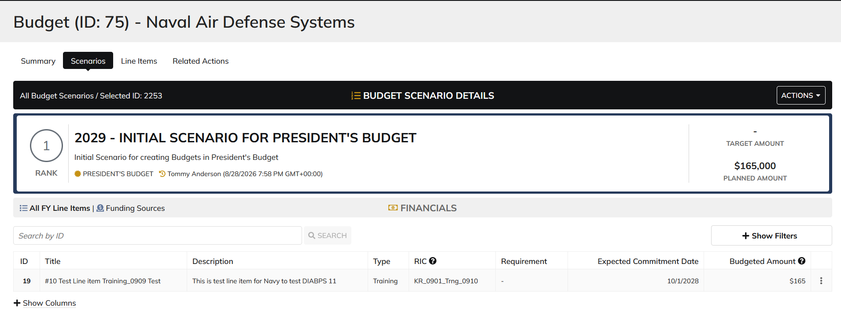
DIABPS Sprint 1.2 - DIABPS-66 TEST CASE SCENARIO |  | TESTER INFO
Test Case ID: | DIABPS_66#01 | updated By: | Kana Raghavan
Test Scenario: | A user with an appropriate role can update a planning item | updated On: | 2026-08-24
User Story: | Update a Planning Line Item, Fiscal Year Specific Fields Part 1 (Planning Module) | Reviewed By: | Jordan Helman
Story Description: | As a Programming Admin, Manpower Admin, Resource Management Lead, Programming Lead, Manpower Lead, Programming Analyst, or Manpower Analyst, I can update a planning line item on a scenario and associate fiscal year specific fields with the line item. | Reviewed On:
Environment: | GIBS Test | Executed By: | Kana Raghavan
User Role(s): | Programming Admin for (ES/DS) Org | Executed On: | 2026-09-09
Pre-Conditions: | User able to login to Planning module successfully as Programming Admin who is assigned to specific Org
Acceptance Criteria | Acceptance Criteria: The user will be able to update a line item The updated line item will be for the fiscal year of the scenario that the line item is associated with The user will be able to complete the information for the line item (fields with an asterisk ( * ) indicate required fields): Resource Identifier Code* Text field, 25 character limit Budgeted Amount* Integer field Entered as thousands Formatted as currency Must be greater than $0 Tooltip: This amount is displayed in thousands Expected Commitment Date Date field Inputted date must correspond to a fiscal year that is greater than or equal to the fiscal year of the scenario that the line item is being associated with Requirement Picker field with a maximum selection of 1 requirement The options available for selection will be limited to requirements that are associated with the same organization that the budget this line item is being updated on is associated with The system will record the user who performed the action and the date and time it was performed. General Notes: Outyears Example FY 2026 = Current Year (execution) FY 2027 = Budget Year FY 2028 = Out Year 1 FY 2029 = Out Year 2 FY 2030 = Out Year 3 FY 2031 = Out Year 4 FY 2032 = Out Year 5

Step Number | Step Description | Input Data | Expected Results | Pass/Fail
STEP 1 | Log in as a user with Programming Admin credential. User should be assigned to a specific Org (ES/DS). https://ams-test.appiancloud.us/suite/ | Username: | User able to login successfully | Pass
STEP 2 | Click on GIBS Planning module on top right dropdown to launch Planning module | N/A | User able to click on dropdown and able to launch Planning module | Pass
STEP 3 | Click on Budget tab | N/A | User able to view all Budget IDs with grid details for user associated org | Pass
STEP 4 | Click on Budget ID and navigate to Scenarios Tab | N/A | User able to click on budget ID and navigate to scenarios tab | Pass
STEP 5 | Click on Budgeted amount for FY Planned year to open the items | N/A | User able to click on amount and page is displayed successfully | Pass
STEP 6 | Click on 3 dots next to the line items, to open Update FY line item window | N/A | User able to click on 3 dots and update FY line item window is opened
STEP 7 | Update FY fields Resource Identifier Code* Text field, 25 character limit Budgeted Amount* Integer field Entered as thousands Formatted as currency Must be greater than $0 Expected Commitment Date Date field Requirement | RIC Requirement Id Expected Commitment Date Budgeted amount | User able to update all FY Line items successfully | Pass
Scenario 2 | FY fields can be updated from Line Items tab |  |  | Pass

Evidences
 | Login as DS Programming Admin

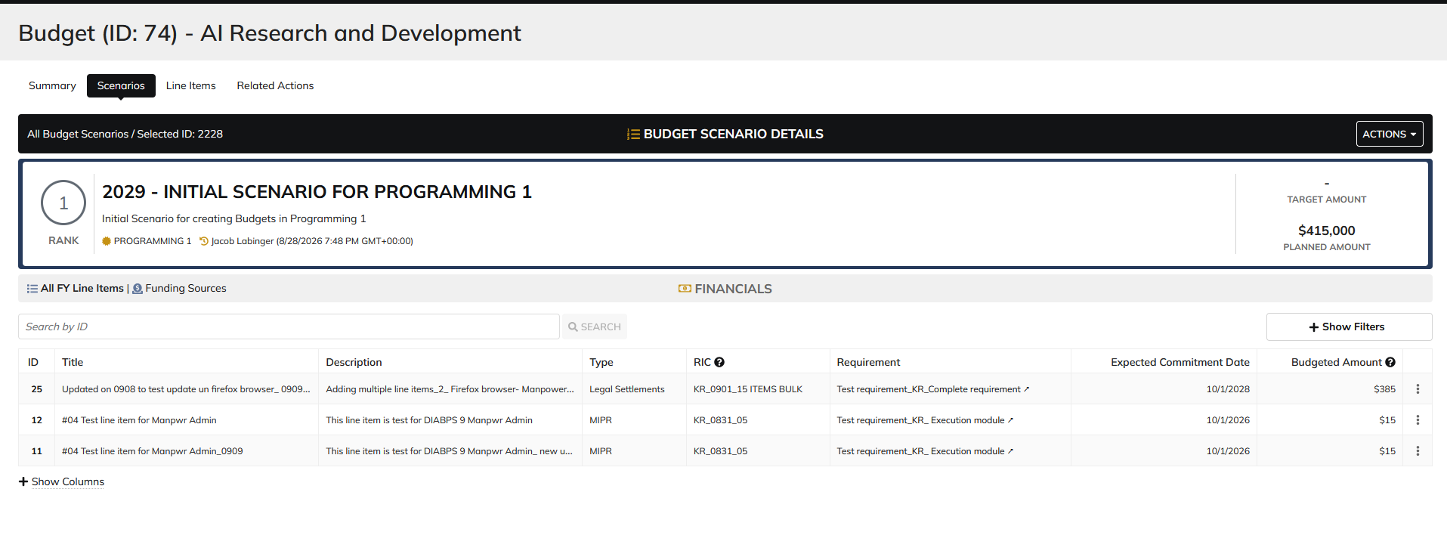

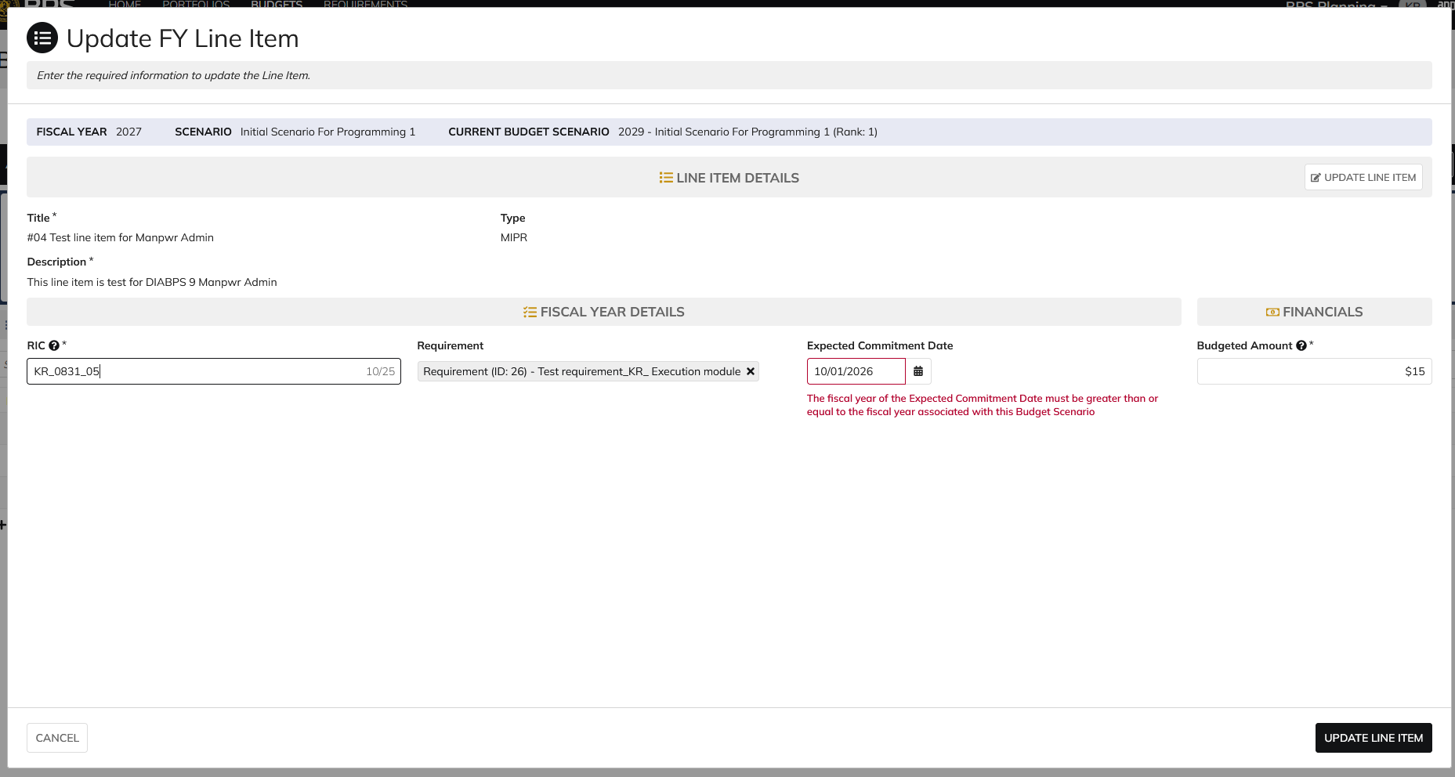

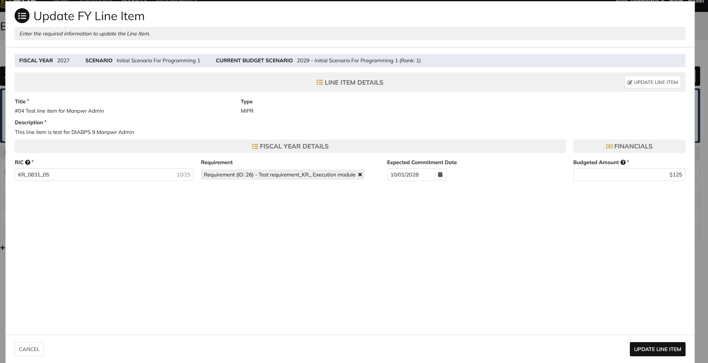

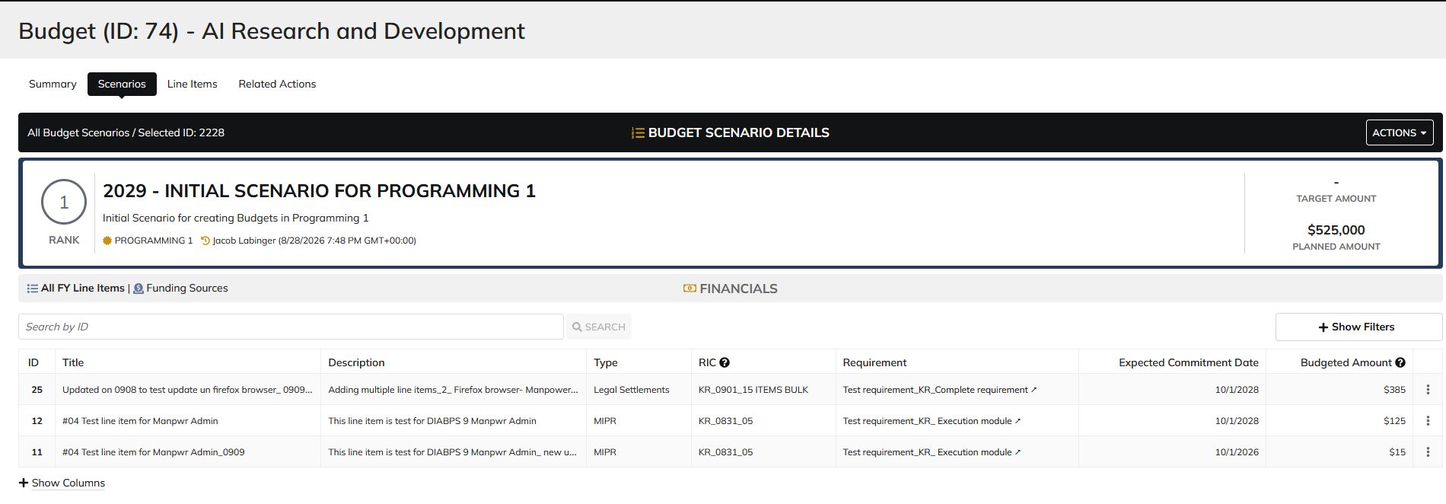

 | From Line Items Tab

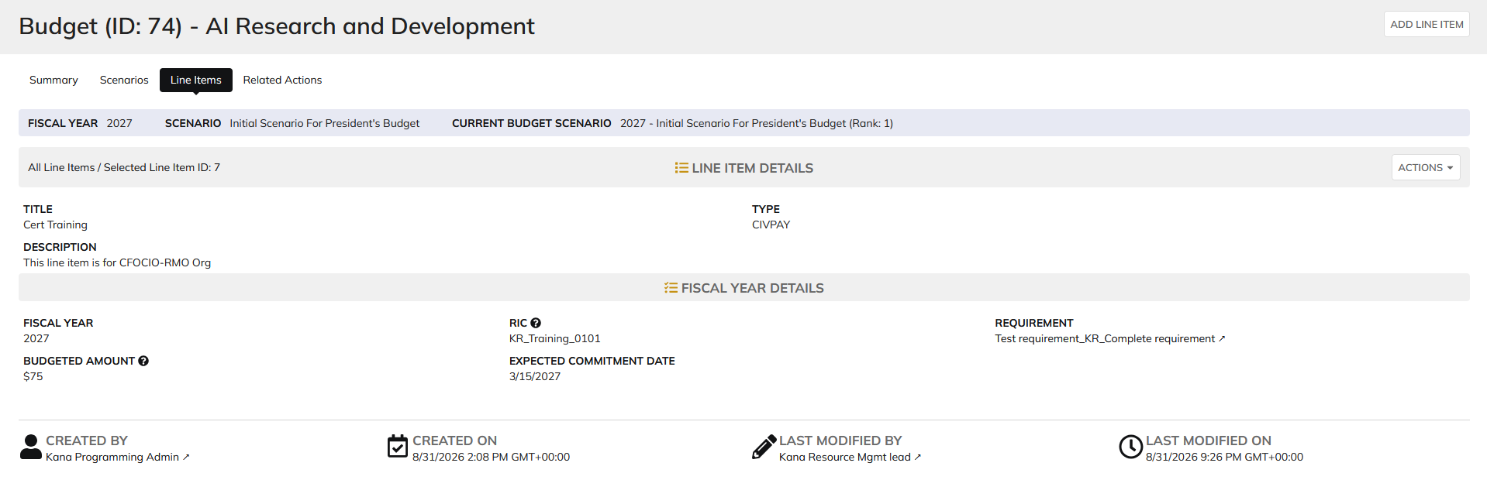

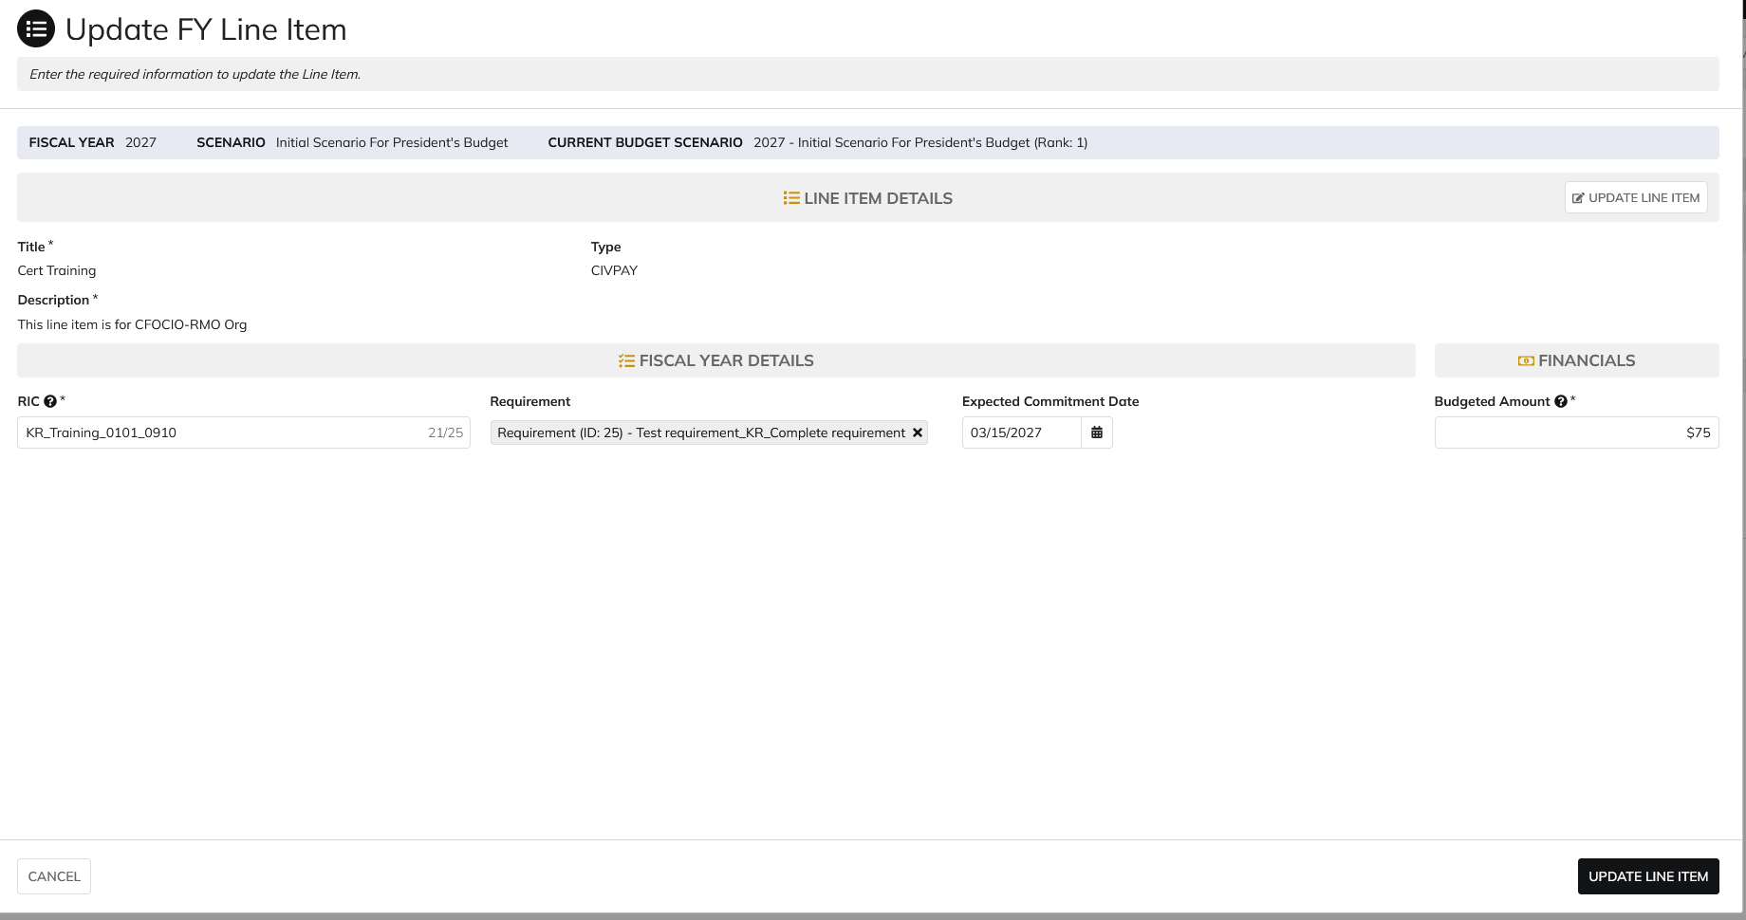

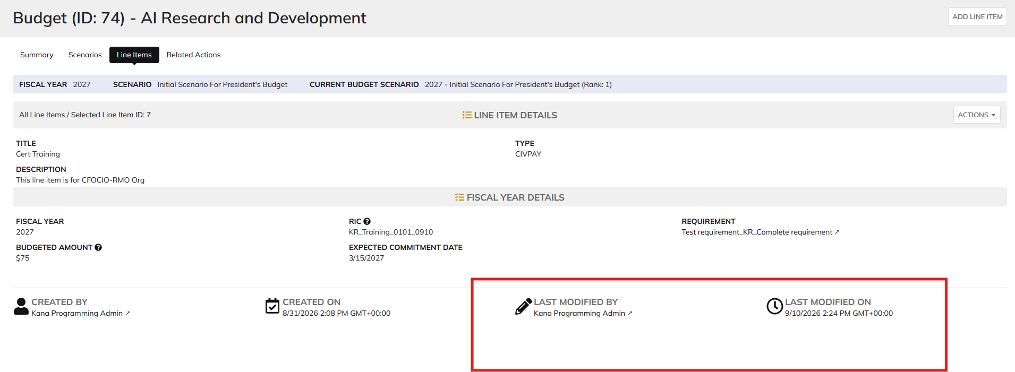

 | Login as ES Programming Admin

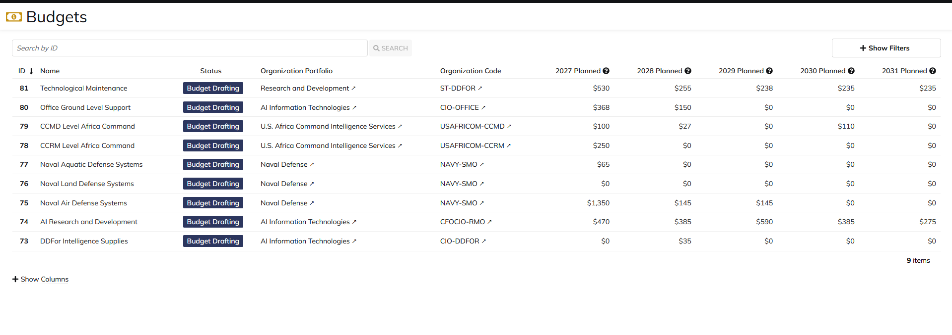

 | From Scenarios Tab

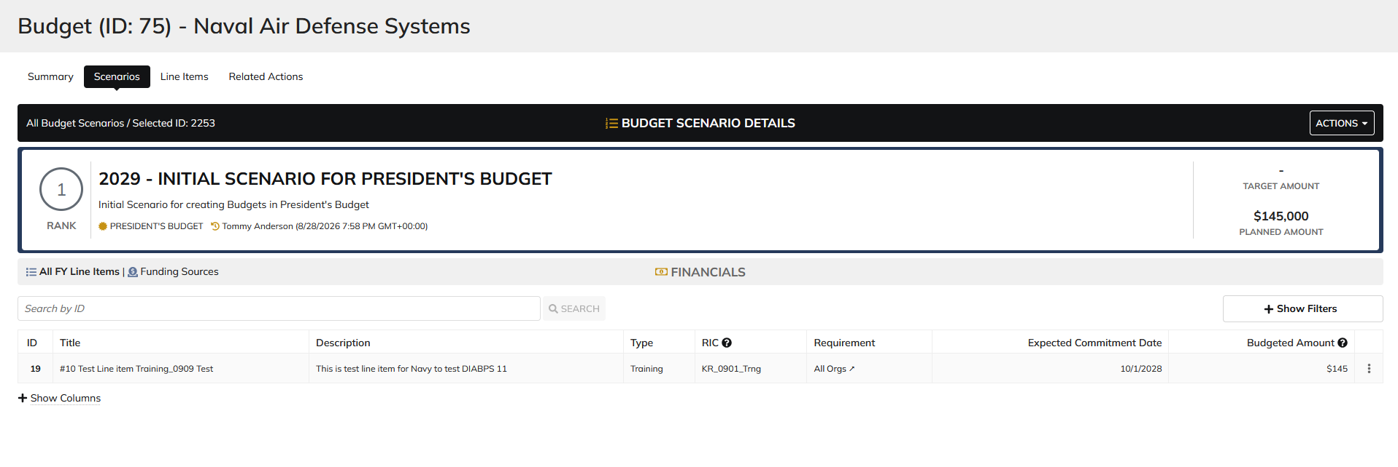

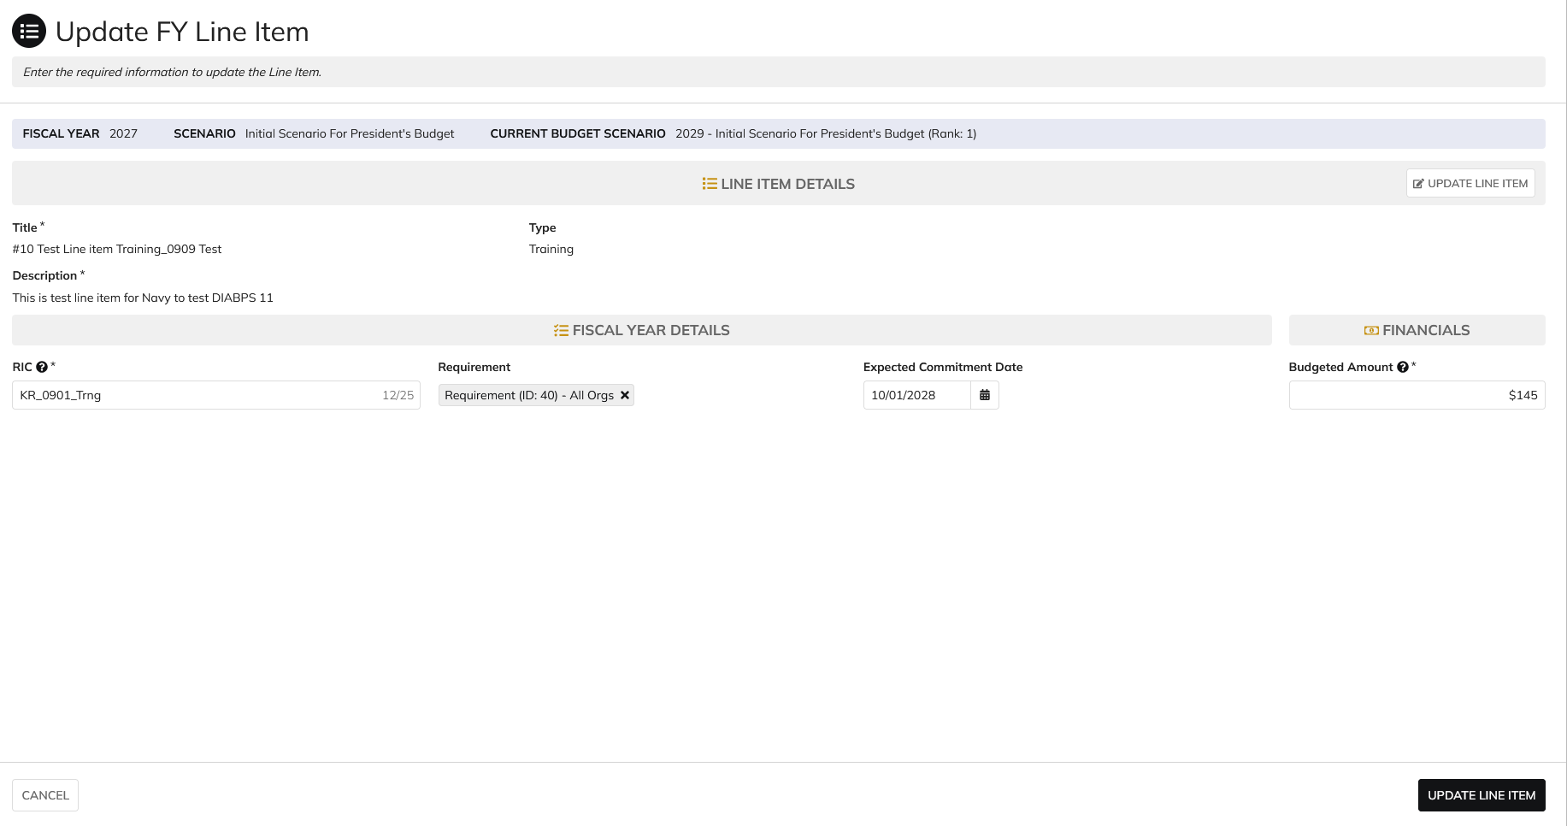

 | Updated FY line item

Manpower Admin
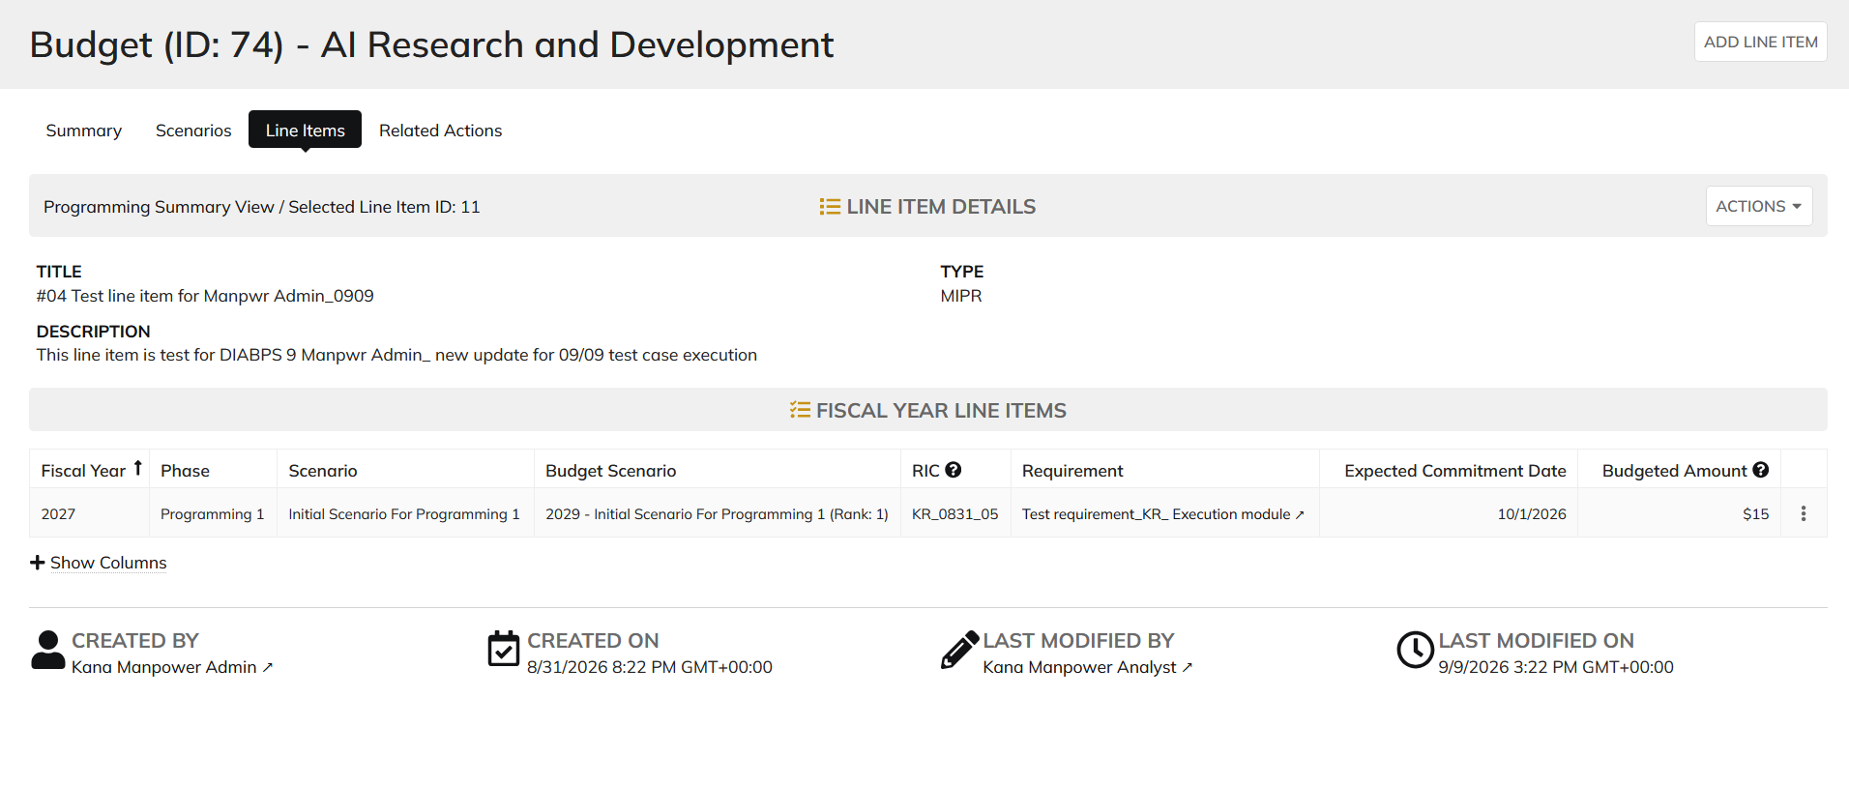
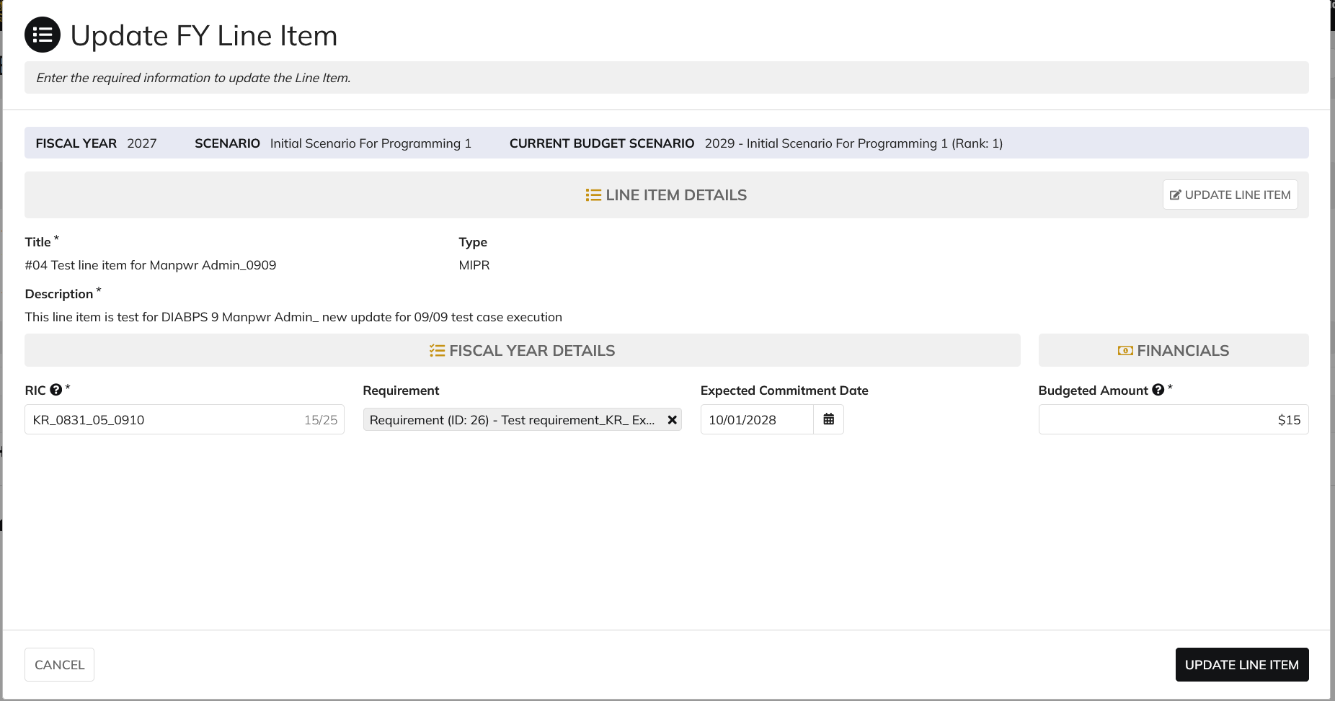
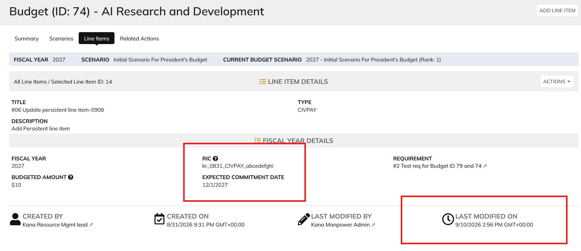
DIABPS Sprint 1.2 - DIABPS-66 TEST CASE SCENARIO |  | TESTER INFO
Test Case ID: | DIABPS_66#02 | updated By: | Kana Raghavan
Test Scenario: | A user with an appropriate role can update a planning item | updated On: | 2026-08-24
User Story: | Update a Planning Line Item, Fiscal Year Specific Fields Part 1 (Planning Module) | Reviewed By: | Jordan Helman
Story Description: | As a Programming Admin, Manpower Admin, Resource Management Lead, Programming Lead, Manpower Lead, Programming Analyst, or Manpower Analyst, I can update a planning line item on a scenario and associate fiscal year specific fields with the line item. | Reviewed On:
Environment: | GIBS Test | Executed By: | Kana Raghavan
User Role(s): | Manpower Admin for DS Org | Executed On: | 2026-09-10
Pre-Conditions: | User able to login to Planning module successfully as Manpower Admin who is assigned to specific Org
Acceptance Criteria | Acceptance Criteria: The user will be able to update a line item The updated line item will be for the fiscal year of the scenario that the line item is associated with The user will be able to complete the information for the line item (fields with an asterisk ( * ) indicate required fields): Resource Identifier Code* Text field, 25 character limit Budgeted Amount* Integer field Entered as thousands Formatted as currency Must be greater than $0 Tooltip: This amount is displayed in thousands Expected Commitment Date Date field Inputted date must correspond to a fiscal year that is greater than or equal to the fiscal year of the scenario that the line item is being associated with Requirement Picker field with a maximum selection of 1 requirement The options available for selection will be limited to requirements that are associated with the same organization that the budget this line item is being updated on is associated with The system will record the user who performed the action and the date and time it was performed. General Notes: Outyears Example FY 2026 = Current Year (execution) FY 2027 = Budget Year FY 2028 = Out Year 1 FY 2029 = Out Year 2 FY 2030 = Out Year 3 FY 2031 = Out Year 4 FY 2032 = Out Year 5

Step Number | Step Description | Input Data | Expected Results | Pass/Fail
STEP 1 | Log in as a user with Manpower Admin credential. User should be assigned to a specific Org (ES/DS). https://ams-test.appiancloud.us/suite/ | Username: | User able to login successfully | Pass
STEP 2 | Click on GIBS Planning module on top right dropdown to launch Planning module | N/A | User able to click on dropdown and able to launch Planning module | Pass
STEP 3 | Click on Budget tab | N/A | User able to view all Budget IDs with grid details for user associated org | Pass
STEP 4 | Click on Budget ID and navigate to Scenarios Tab | N/A | User able to click on budget ID and navigate to scenarios tab | Pass
STEP 5 | Click on Budgeted amount for FY Planned year to open the items | N/A | User able to click on amount and page is displayed successfully | Pass
STEP 6 | Click on 3 dots next to the line items, to open Update FY line item window | N/A | User able to click on 3 dots and update FY line item window is opened | Pass
STEP 7 | Update FY fields Resource Identifier Code* Text field, 25 character limit Budgeted Amount* Integer field Entered as thousands Formatted as currency Must be greater than $0 Expected Commitment Date Date field Requirement | RIC Requirement Id Expected Commitment Date Budgeted amount | User able to update all FY Line items successfully | Pass
Scenario 2 | FY fields can be updated from Line Items tab |  |  | Pass

Evidences | Login as Manpower Admin

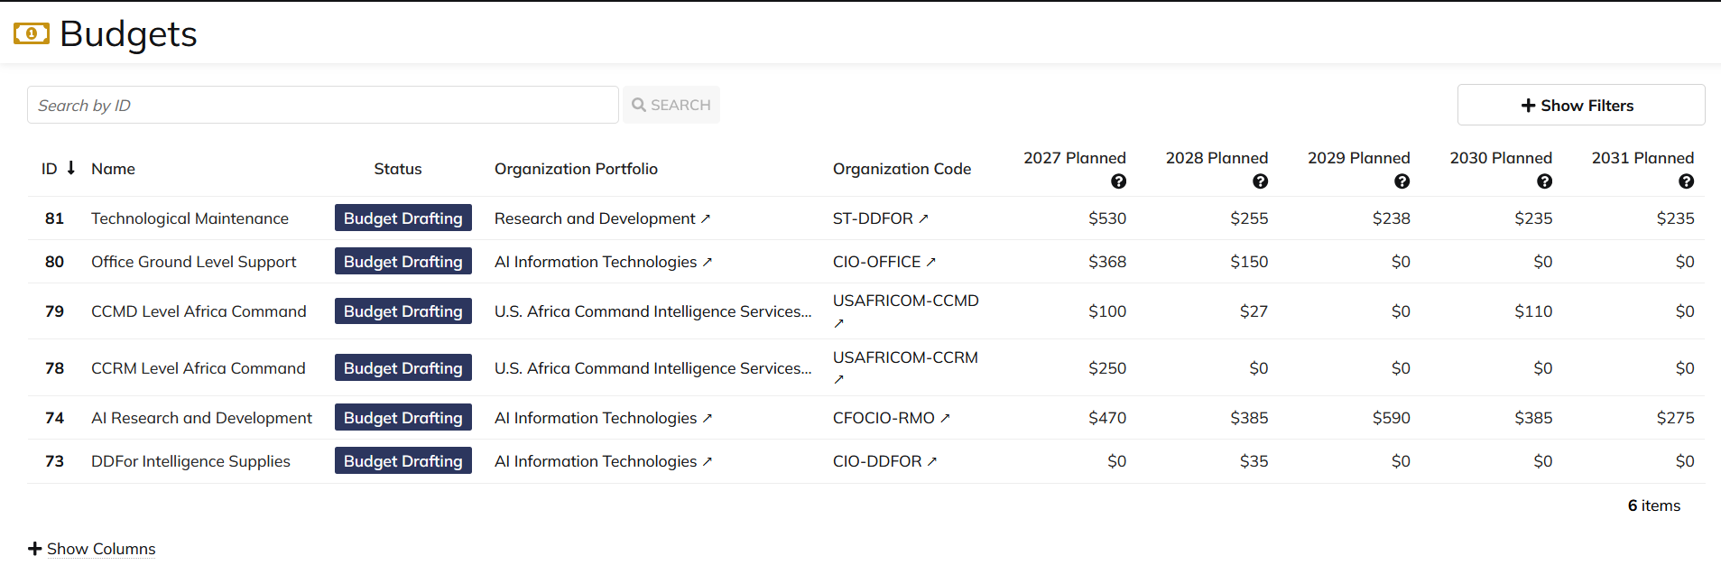

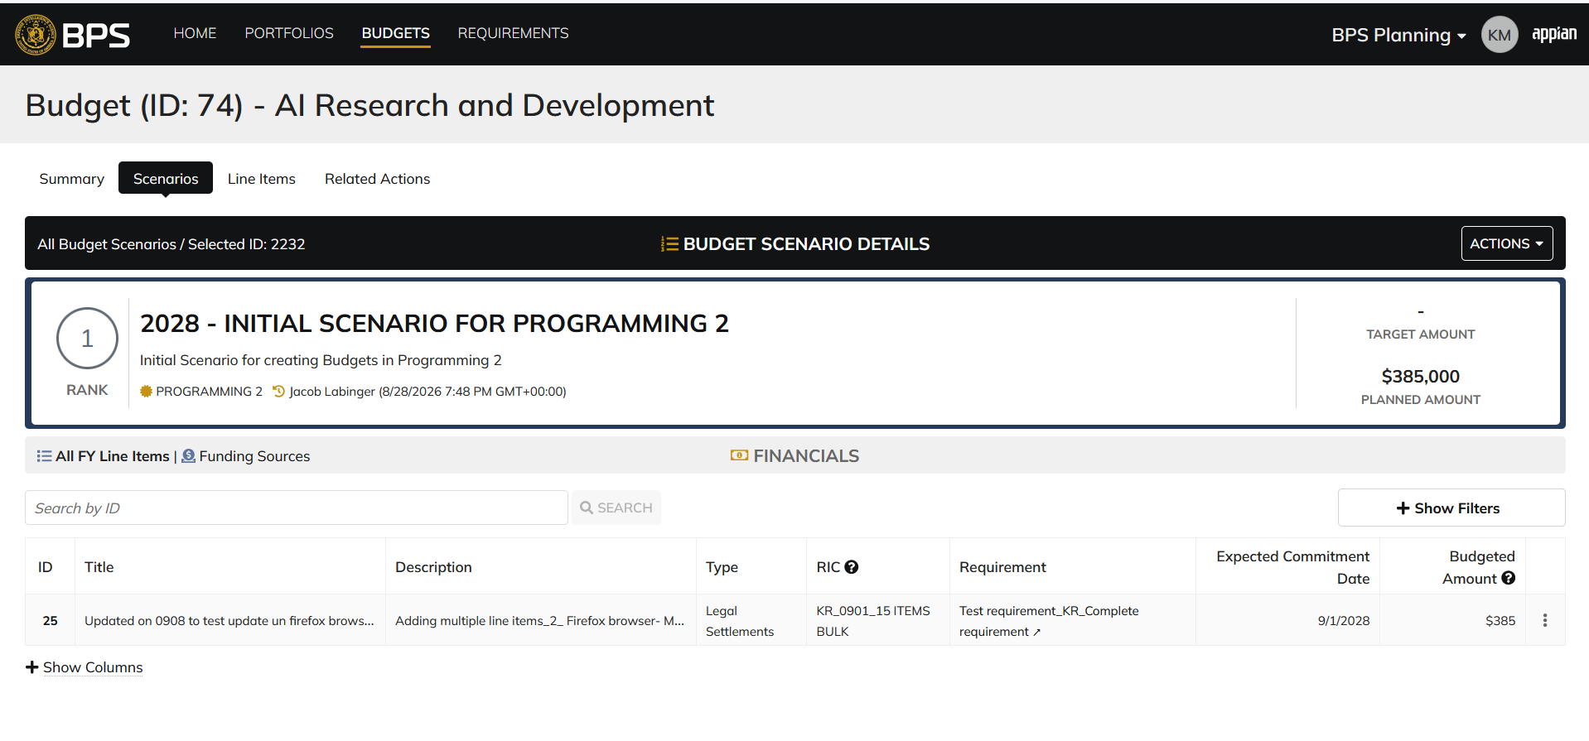

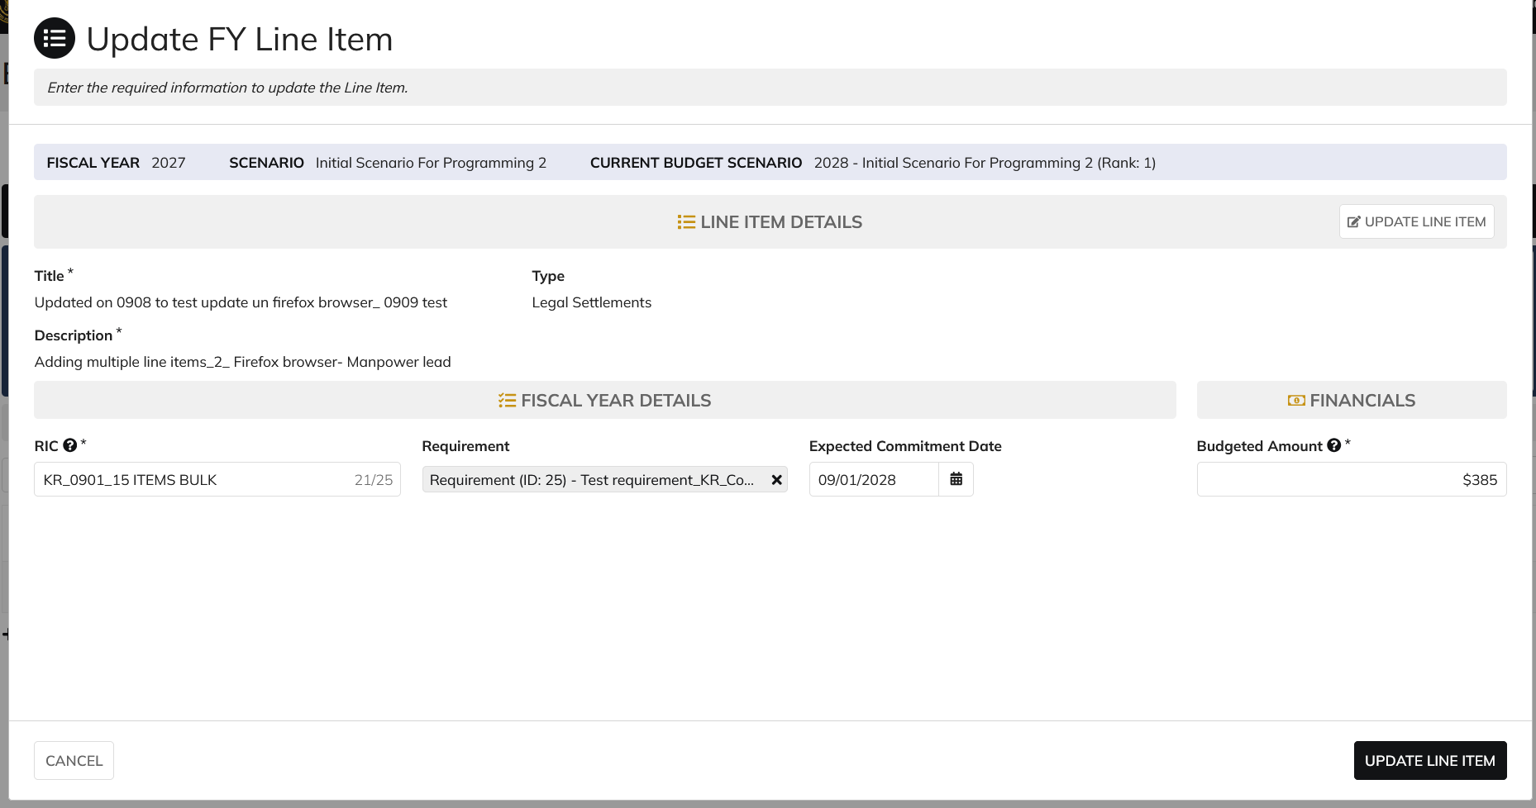

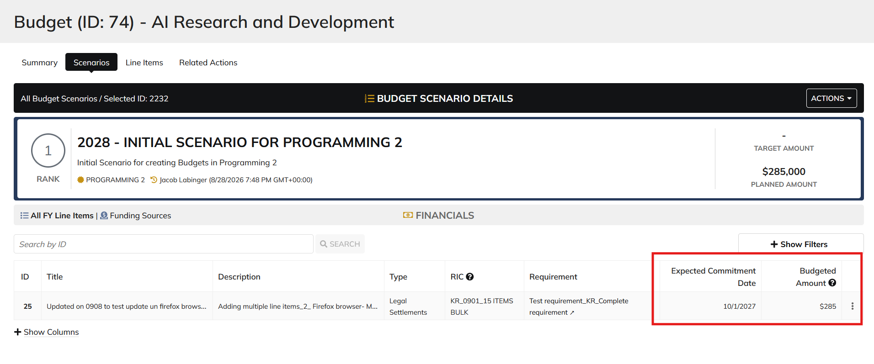

 | From Line Items tab

Resource Management lead
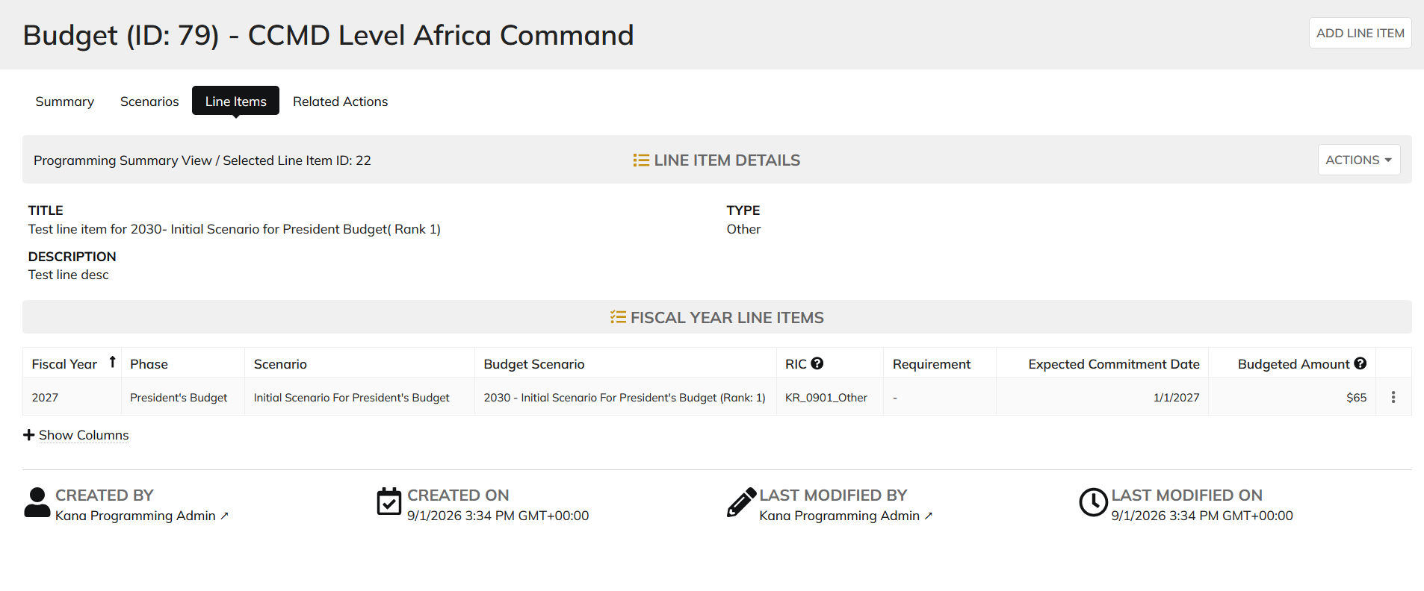
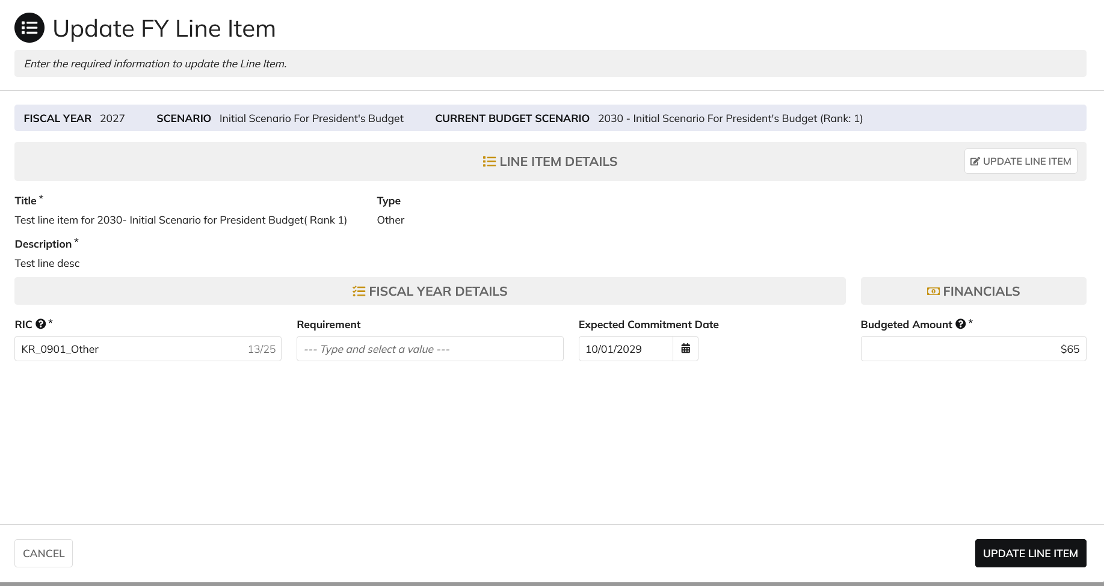

DIABPS Sprint 1.2 - DIABPS-66 TEST CASE SCENARIO |  | TESTER INFO
Test Case ID: | DIABPS_66#03 | updated By: | Kana Raghavan
Test Scenario: | A user with an appropriate role can update a planning item | updated On: | 2026-08-24
User Story: | Update a Planning Line Item, Fiscal Year Specific Fields Part 1 (Planning Module) | Reviewed By: | Jordan Helman
Story Description: | As a Programming Admin, Manpower Admin, Resource Management Lead, Programming Lead, Manpower Lead, Programming Analyst, or Manpower Analyst, I can update a planning line item on a scenario and associate fiscal year specific fields with the line item. | Reviewed On:
Environment: | GIBS Test | Executed By: | Kana Raghavan
User Role(s): | Resource Management Lead (RMO/Services) | Executed On: | 2026-09-10
Pre-Conditions: | User able to login to Planning module successfully as Resource Mgmt lead who is assigned to specific Org
Acceptance Criteria | Acceptance Criteria: The user will be able to update a line item The updated line item will be for the fiscal year of the scenario that the line item is associated with The user will be able to complete the information for the line item (fields with an asterisk ( * ) indicate required fields): Resource Identifier Code* Text field, 25 character limit Budgeted Amount* Integer field Entered as thousands Formatted as currency Must be greater than $0 Tooltip: This amount is displayed in thousands Expected Commitment Date Date field Inputted date must correspond to a fiscal year that is greater than or equal to the fiscal year of the scenario that the line item is being associated with Requirement Picker field with a maximum selection of 1 requirement The options available for selection will be limited to requirements that are associated with the same organization that the budget this line item is being updated on is associated with The system will record the user who performed the action and the date and time it was performed. General Notes: Outyears Example FY 2026 = Current Year (execution) FY 2027 = Budget Year FY 2028 = Out Year 1 FY 2029 = Out Year 2 FY 2030 = Out Year 3 FY 2031 = Out Year 4 FY 2032 = Out Year 5

Step Number | Step Description | Input Data | Expected Results | Pass/Fail
STEP 1 | Log in as a user with Resouce Management lead credential. User should be assigned to a specific Org (ES/DS). https://ams-test.appiancloud.us/suite/ | Username: | User able to login successfully | Pass
STEP 2 | Click on GIBS Planning module on top right dropdown to launch Planning module | N/A | User able to click on dropdown and able to launch Planning module | Pass
STEP 3 | Click on Budget tab | N/A | User able to view all Budget IDs with grid details for user associated org | Pass
STEP 4 | Click on Budget ID and navigate to Scenarios Tab | N/A | User able to click on budget ID and navigate to scenarios tab | Pass
STEP 5 | Click on Budgeted amount for FY Planned year to open the items | N/A | User able to click on amount and page is displayed successfully | Pass
STEP 6 | Click on 3 dots next to the line items, to open Update FY line item window | N/A | User able to click on 3 dots and update FY line item window is opened | Pass
STEP 7 | Update FY fields Resource Identifier Code* Text field, 25 character limit Budgeted Amount* Integer field Entered as thousands Formatted as currency Must be greater than $0 Expected Commitment Date Date field Requirement | RIC Requirement Id Expected Commitment Date Budgeted amount | User able to update all FY Line items successfully | Pass
Scenario 2 | FY fields can be updated from Line Items tab |  |  | Pass

Evidences | Login as CCRM Resource Mgmt Lead

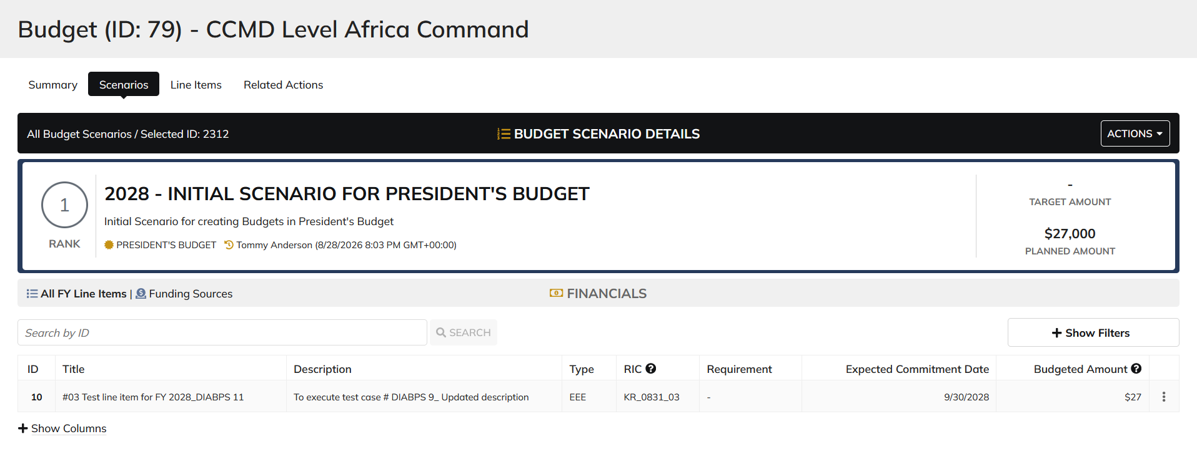

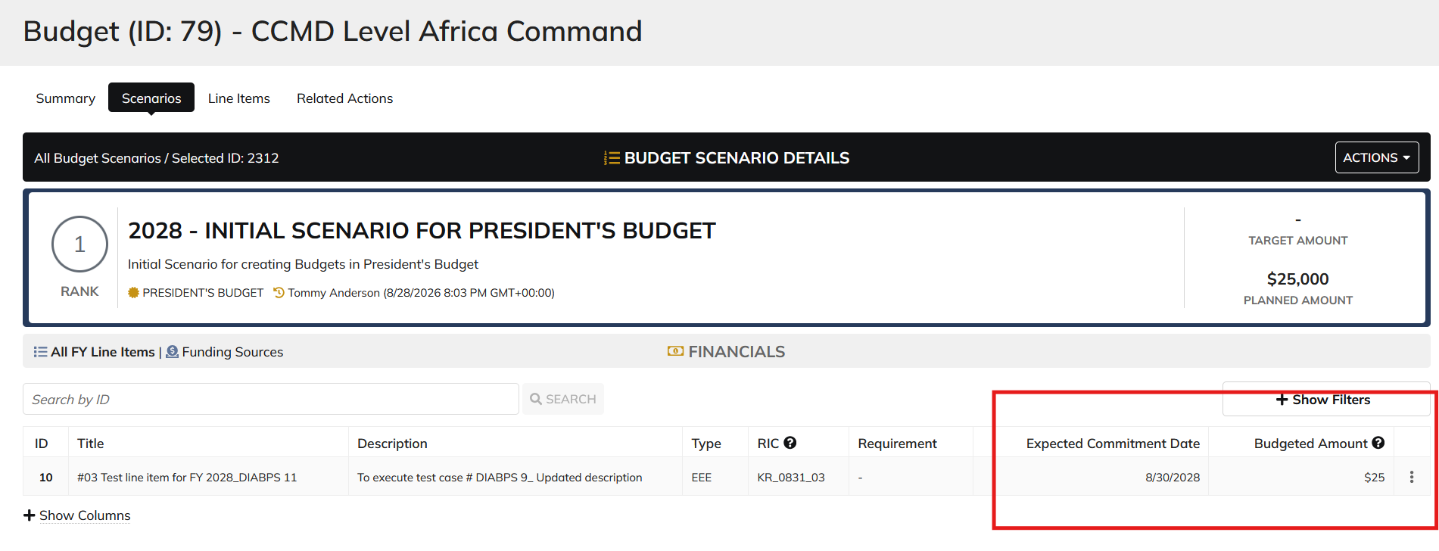

 | Update from Line items tab

Programming lead
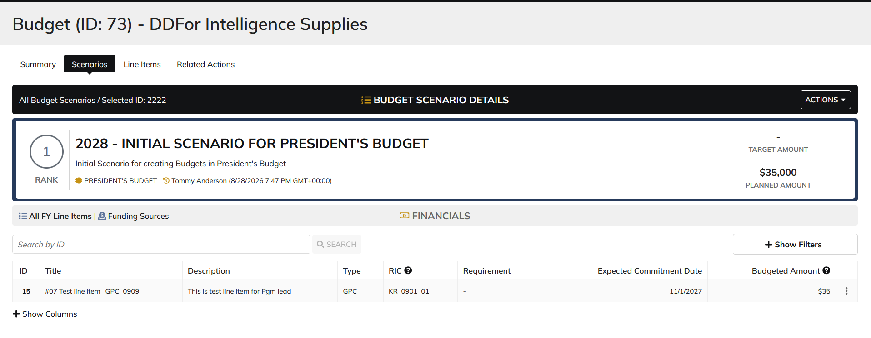
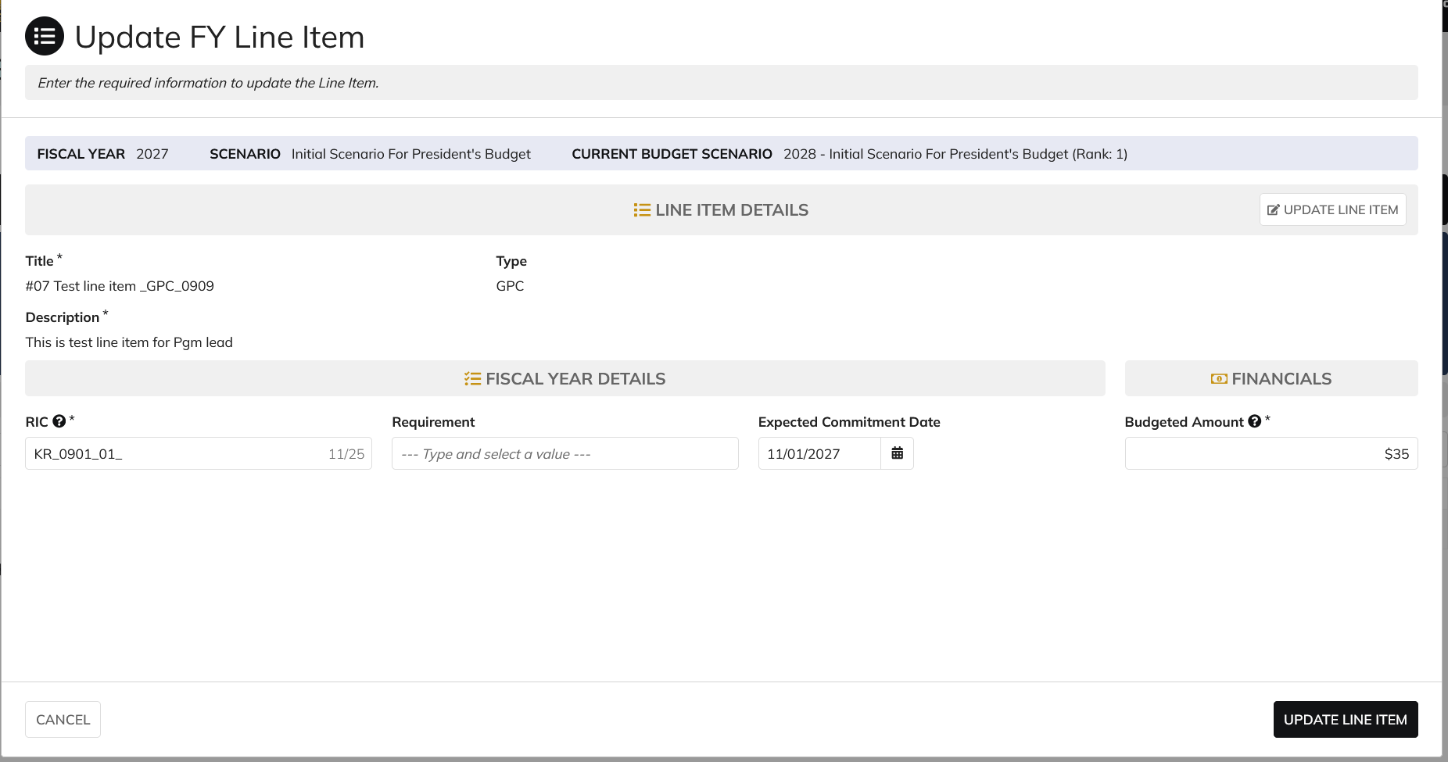
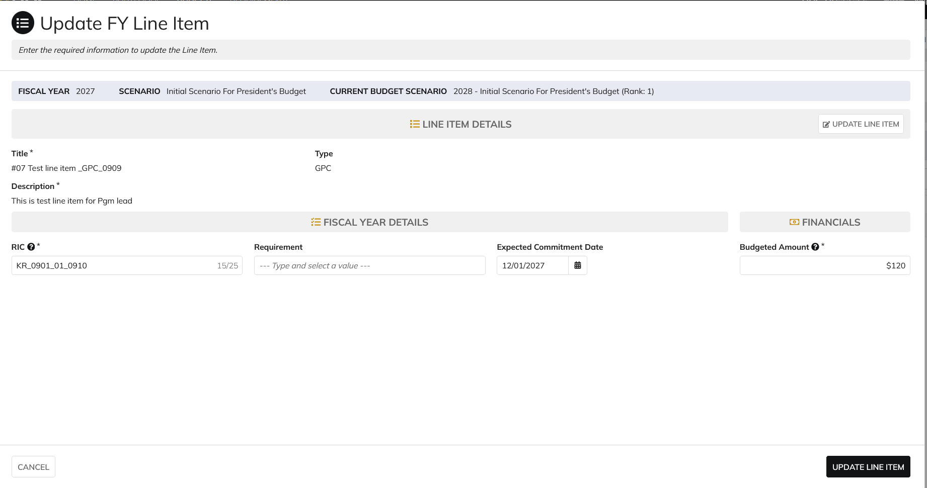
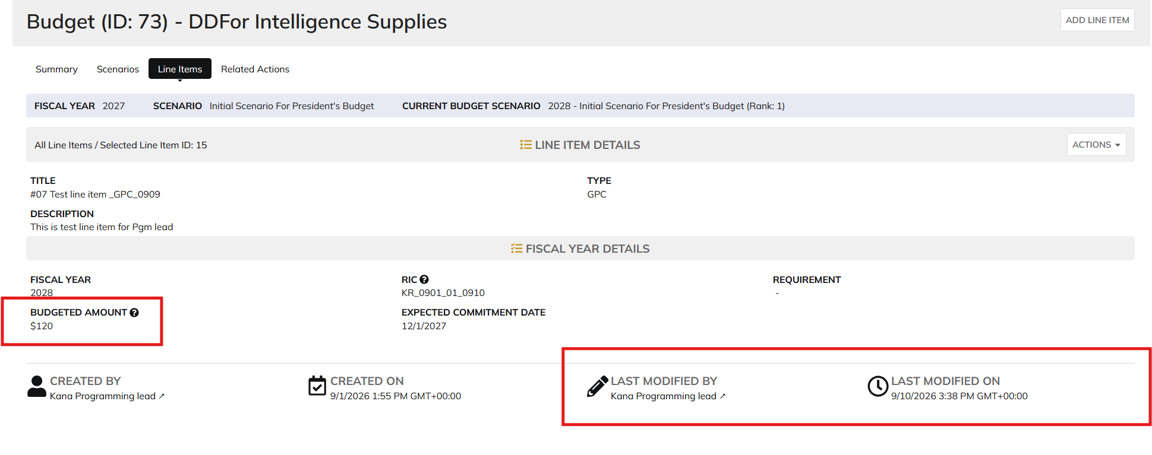
DIABPS Sprint 1.2 - DIABPS-66 TEST CASE SCENARIO |  | TESTER INFO
Test Case ID: | DIABPS_66#04 | updated By: | Kana Raghavan
Test Scenario: | A user with an appropriate role can update a planning item | updated On: | 2026-08-24
User Story: | update a Planning Line Item, Fiscal Year Specific Fields Part 1 (Planning Module) | Reviewed By: | Jordan Helman
Story Description: | As a Programming Admin, Manpower Admin, Resource Management Lead, Programming Lead, Manpower Lead, Programming Analyst, or Manpower Analyst, I can update a planning line item on a scenario and associate fiscal year specific fields with the line item. | Reviewed On:
Environment: | GIBS Test | Executed By:
User Role(s): | Programming lead for (DS/Services) Org | Executed On:
Pre-Conditions: | User able to login to Planning module successfully as Programming lead who is assigned to specific Org
Acceptance Criteria | Acceptance Criteria: The user will be able to update a line item The updated line item will be for the fiscal year of the scenario that the line item is associated with The user will be able to complete the information for the line item (fields with an asterisk ( * ) indicate required fields): Resource Identifier Code* Text field, 25 character limit Budgeted Amount* Integer field Entered as thousands Formatted as currency Must be greater than $0 Tooltip: This amount is displayed in thousands Expected Commitment Date Date field Inputted date must correspond to a fiscal year that is greater than or equal to the fiscal year of the scenario that the line item is being associated with Requirement Picker field with a maximum selection of 1 requirement The options available for selection will be limited to requirements that are associated with the same organization that the budget this line item is being updated on is associated with The system will record the user who performed the action and the date and time it was performed. General Notes: Outyears Example FY 2026 = Current Year (execution) FY 2027 = Budget Year FY 2028 = Out Year 1 FY 2029 = Out Year 2 FY 2030 = Out Year 3 FY 2031 = Out Year 4 FY 2032 = Out Year 5

Step Number | Step Description | Input Data | Expected Results | Pass/Fail
STEP 1 | Log in as a user with Programming lead credential. User should be assigned to a specific Org (ES/DS). https://ams-test.appiancloud.us/suite/ | Username: | User able to login successfully | Pass
STEP 2 | Click on GIBS Planning module on top right dropdown to launch Planning module | N/A | User able to click on dropdown and able to launch Planning module | Pass
STEP 3 | Click on Budget tab | N/A | User able to view all Budget IDs with grid details for user associated org | Pass
STEP 4 | Click on Budget ID and navigate to Scenarios Tab | N/A | User able to click on budget ID and navigate to scenarios tab | Pass
STEP 5 | Click on Budgeted amount for FY Planned year to open the items | N/A | User able to click on amount and page is displayed successfully | Pass
STEP 6 | Click on 3 dots next to the line items, to open Update FY line item window | N/A | User able to click on 3 dots and update FY line item window is opened | Pass
STEP 7 | Update FY fields Resource Identifier Code* Text field, 25 character limit Budgeted Amount* Integer field Entered as thousands Formatted as currency Must be greater than $0 Expected Commitment Date Date field Requirement | RIC Requirement Id Expected Commitment Date Budgeted amount | User able to update all FY Line items successfully | Pass
Scenario 2 | FY fields can be updated from Line Items tab |  |  | Pass

Evidences | Login as CIO-RMO Programming lead
 | Able to view CIO/RMO/DDFOR org

Manpower lead
DIABPS Sprint 1.2 - DIABPS-66 TEST CASE SCENARIO |  | TESTER INFO
Test Case ID: | DIABPS_66#05 | updated By: | Kana Raghavan
Test Scenario: | A user with an appropriate role can update a planning item | updated On: | 2026-08-24
User Story: | update a Planning Line Item, Fiscal Year Specific Fields Part 1 (Planning Module) | Reviewed By: | Jordan Helman
Story Description: | As a Programming Admin, Manpower Admin, Resource Management Lead, Programming Lead, Manpower Lead, Programming Analyst, or Manpower Analyst, I can update a planning line item on a scenario and associate fiscal year specific fields with the line item. | Reviewed On:
Environment: | GIBS Test | Executed By: | Kana Raghavan
User Role(s): | Manpower lead for RMO Org | Executed On: | 2026-09-10
Pre-Conditions: | User able to login to Planning module successfully as Manpower lead who is assigned to specific Org
Acceptance Criteria | Acceptance Criteria: The user will be able to update a line item The updated line item will be for the fiscal year of the scenario that the line item is associated with The user will be able to complete the information for the line item (fields with an asterisk ( * ) indicate required fields): Resource Identifier Code* Text field, 25 character limit Budgeted Amount* Integer field Entered as thousands Formatted as currency Must be greater than $0 Tooltip: This amount is displayed in thousands Expected Commitment Date Date field Inputted date must correspond to a fiscal year that is greater than or equal to the fiscal year of the scenario that the line item is being associated with Requirement Picker field with a maximum selection of 1 requirement The options available for selection will be limited to requirements that are associated with the same organization that the budget this line item is being updated on is associated with The system will record the user who performed the action and the date and time it was performed. General Notes: Outyears Example FY 2026 = Current Year (execution) FY 2027 = Budget Year FY 2028 = Out Year 1 FY 2029 = Out Year 2 FY 2030 = Out Year 3 FY 2031 = Out Year 4 FY 2032 = Out Year 5

Step Number | Step Description | Input Data | Expected Results | Pass/Fail
STEP 1 | Log in as a user with Manpower lead credential. User should be assigned to a specific Org (ES/DS). https://ams-test.appiancloud.us/suite/ | Username: | User able to login successfully | Pass
STEP 2 | Click on GIBS Planning module on top right dropdown to launch Planning module | N/A | User able to click on dropdown and able to launch Planning module | Pass
STEP 3 | Click on Budget tab | N/A | User able to view all Budget IDs with grid details for user associated org | Pass
STEP 4 | Click on Budget ID and navigate to Scenarios Tab | N/A | User able to click on budget ID and navigate to scenarios tab | Pass
STEP 5 | Click on Budgeted amount for FY Planned year to open the items | N/A | User able to click on amount and page is displayed successfully | Pass
STEP 6 | Click on 3 dots next to the line items, to open Update FY line item window | N/A | User able to click on 3 dots and update FY line item window is opened | Pass
STEP 7 | Update FY fields Resource Identifier Code* Text field, 25 character limit Budgeted Amount* Integer field Entered as thousands Formatted as currency Must be greater than $0 Expected Commitment Date Date field Requirement | RIC Requirement Id Expected Commitment Date Budgeted amount | User able to update all FY Line items successfully | Pass
Scenario 2 | FY fields can be updated from Line Items tab |  |  | Pass

Evidences
 | Login as CIO Manpower lead

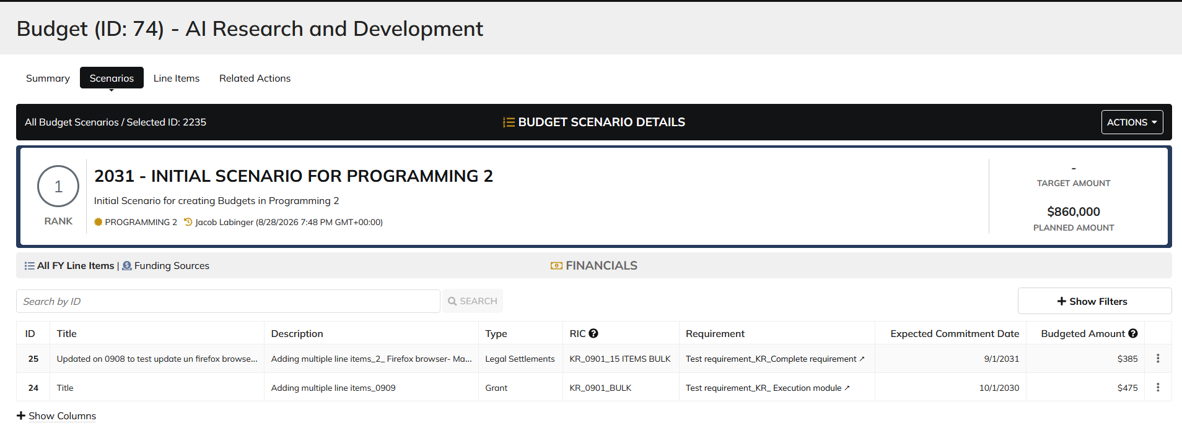

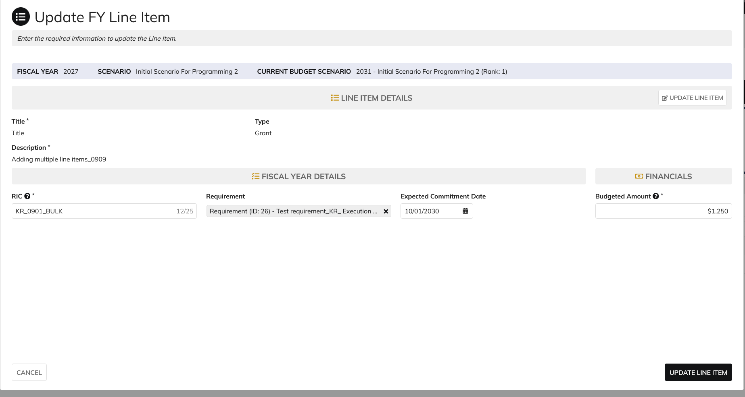

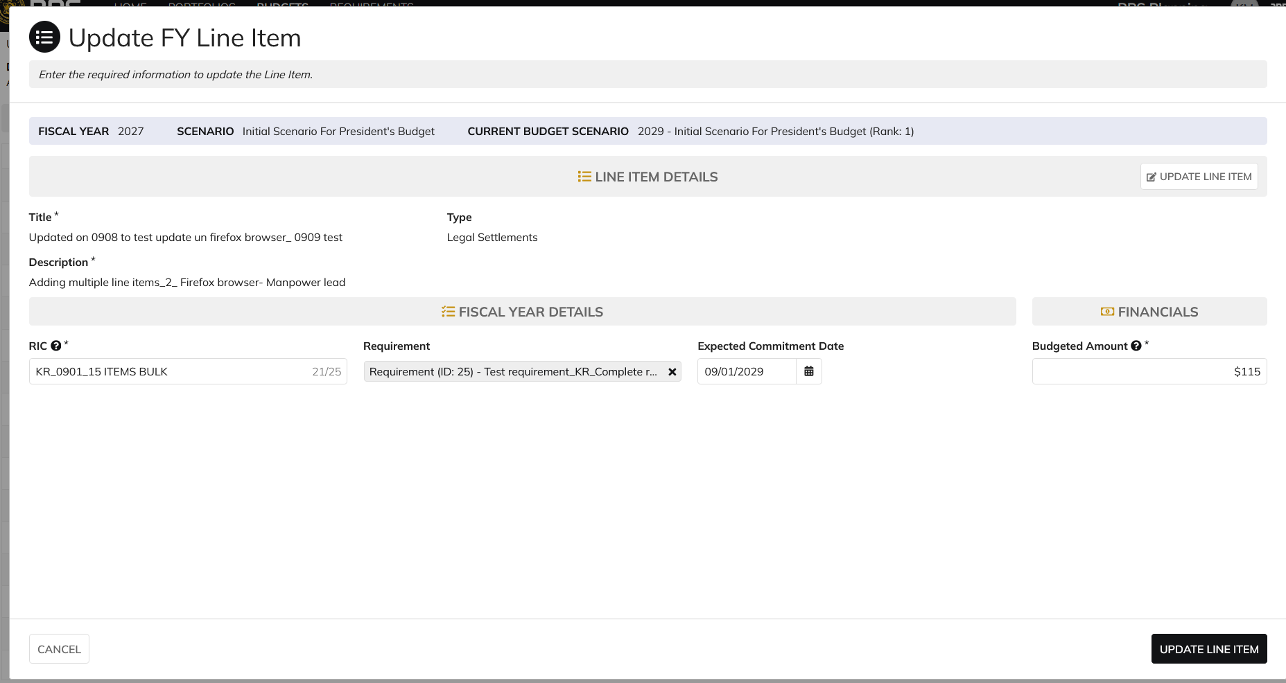

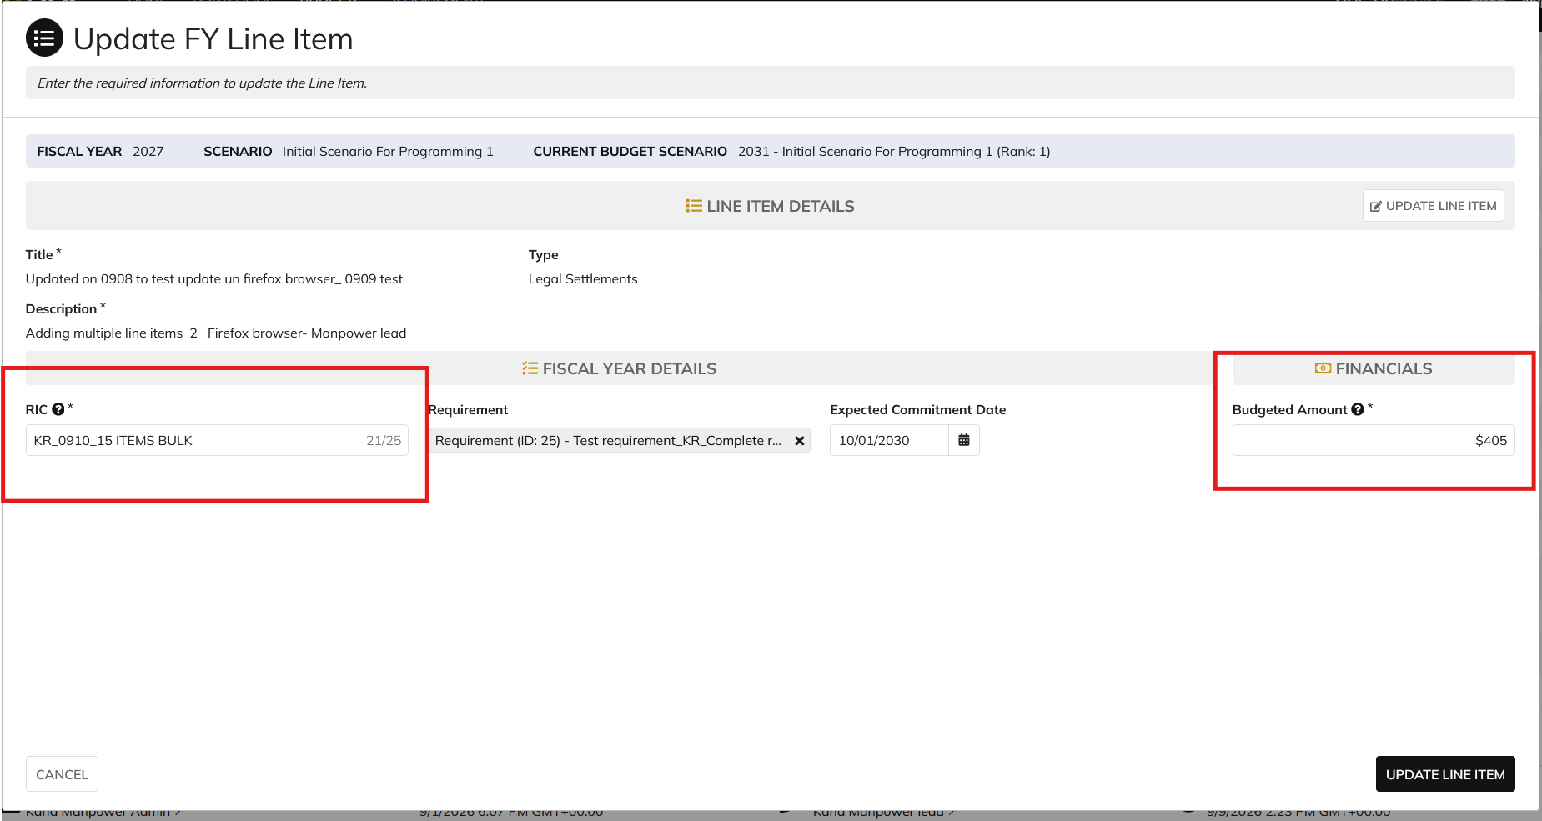

 |  |  |  | System information is updated only for Persistent Fields

Programming Analyst
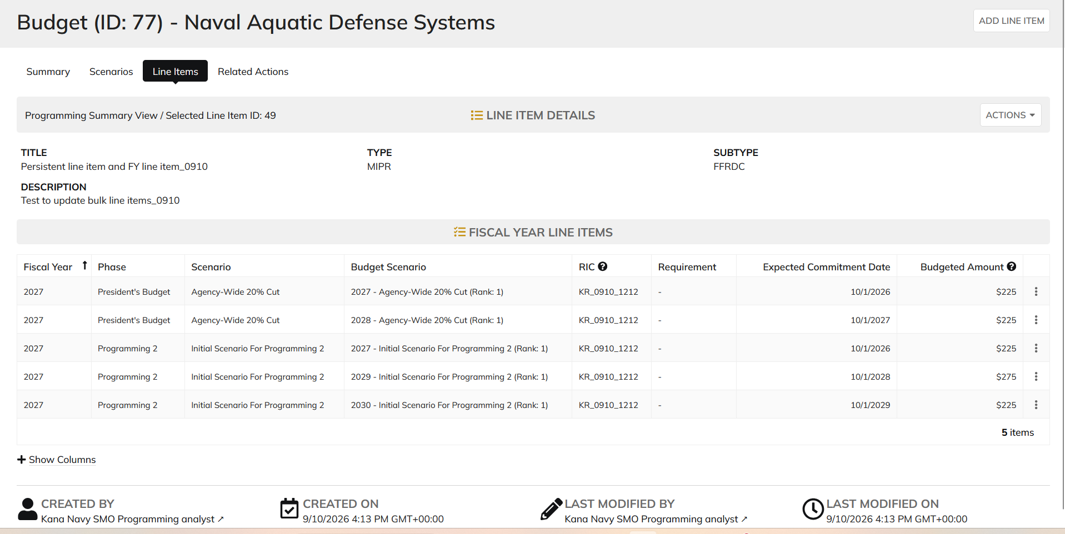
DIABPS Sprint 1.2 - DIABPS-66 TEST CASE SCENARIO |  | TESTER INFO
Test Case ID: | DIABPS_66#06 | updated By: | Kana Raghavan
Test Scenario: | A user with an appropriate role can update a planning item | updated On: | 2026-08-24
User Story: | update a Planning Line Item, Fiscal Year Specific Fields Part 1 (Planning Module) | Reviewed By: | Jordan Helman
Story Description: | As a Programming Admin, Manpower Admin, Resource Management Lead, Programming Lead, Manpower Lead, Programming Analyst, or Manpower Analyst, I can update a planning line item on a scenario and associate fiscal year specific fields with the line item. | Reviewed On:
Environment: | GIBS Test | Executed By: | Kana Raghavan
User Role(s): | Programming Analyst for (DS/Services) Org | Executed On: | 2026-09-10
Pre-Conditions: | User able to login to Planning module successfully as Programming Analyst who is assigned to specific Org
Acceptance Criteria | Acceptance Criteria: The user will be able to update a line item The updated line item will be for the fiscal year of the scenario that the line item is associated with The user will be able to complete the information for the line item (fields with an asterisk ( * ) indicate required fields): Resource Identifier Code* Text field, 25 character limit Budgeted Amount* Integer field Entered as thousands Formatted as currency Must be greater than $0 Tooltip: This amount is displayed in thousands Expected Commitment Date Date field Inputted date must correspond to a fiscal year that is greater than or equal to the fiscal year of the scenario that the line item is being associated with Requirement Picker field with a maximum selection of 1 requirement The options available for selection will be limited to requirements that are associated with the same organization that the budget this line item is being updated on is associated with The system will record the user who performed the action and the date and time it was performed. General Notes: Outyears Example FY 2026 = Current Year (execution) FY 2027 = Budget Year FY 2028 = Out Year 1 FY 2029 = Out Year 2 FY 2030 = Out Year 3 FY 2031 = Out Year 4 FY 2032 = Out Year 5

Step Number | Step Description | Input Data | Expected Results | Pass/Fail
STEP 1 | Log in as a user with Programming Analyst credential. User should be assigned to a specific Org (ES/DS). https://ams-test.appiancloud.us/suite/ | Username: | User able to login successfully | Pass
STEP 2 | Click on GIBS Planning module on top right dropdown to launch Planning module | N/A | User able to click on dropdown and able to launch Planning module | Pass
STEP 3 | Click on Budget tab | N/A | User able to view all Budget IDs with grid details for user associated org | Pass
STEP 4 | Click on Budget ID and navigate to Scenarios Tab | N/A | User able to click on budget ID and navigate to scenarios tab | Pass
STEP 5 | Click on Budgeted amount for FY Planned year to open the items | N/A | User able to click on amount and page is displayed successfully | Pass
STEP 6 | Click on 3 dots next to the line items, to open Update FY line item window | N/A | User able to click on 3 dots and update FY line item window is opened | Pass
STEP 7 | Update FY fields Resource Identifier Code* Text field, 25 character limit Budgeted Amount* Integer field Entered as thousands Formatted as currency Must be greater than $0 Expected Commitment Date Date field Requirement | RIC Requirement Id Expected Commitment Date Budgeted amount | User able to update all FY Line items successfully | Pass
Scenario 2 | FY fields can be updated from Line Items tab |  |  | Pass

Evidences
 | Login as SMO Programming analyst

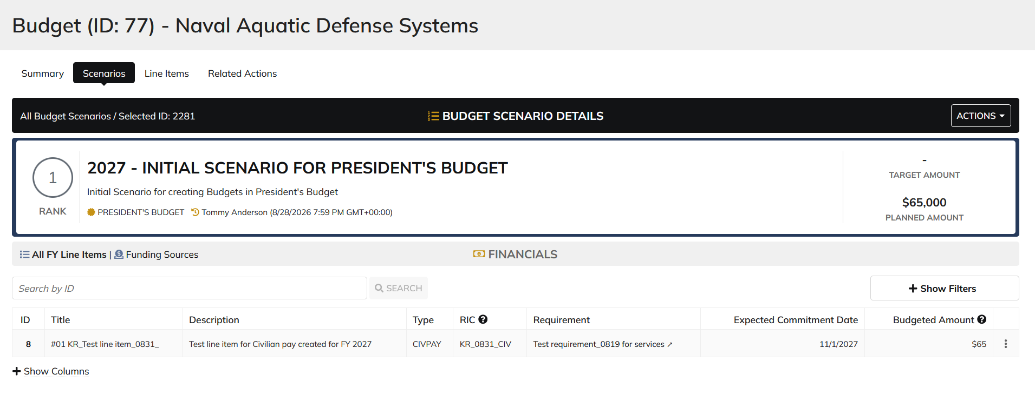

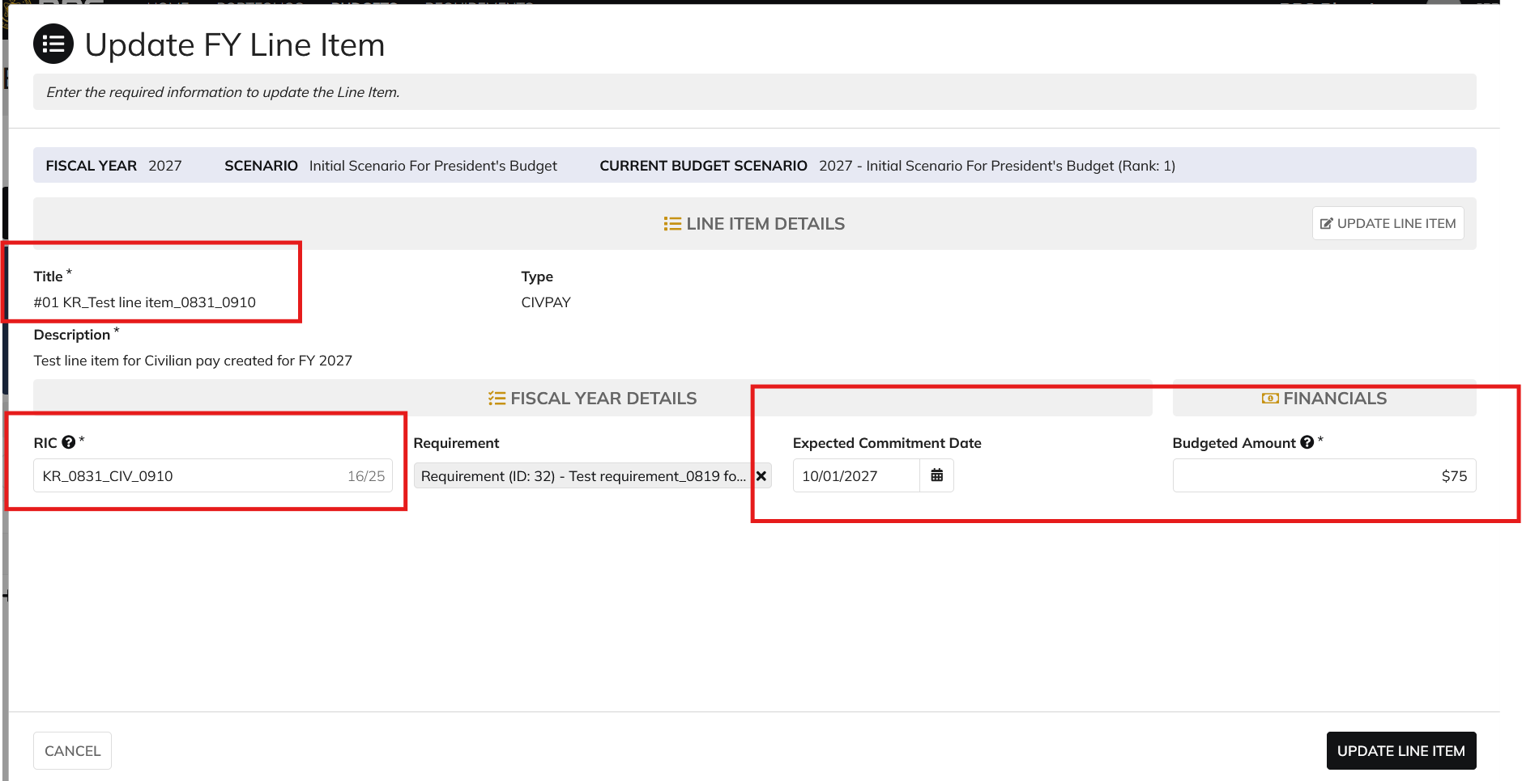

 | From Line Items Tab

Manpower Analyst
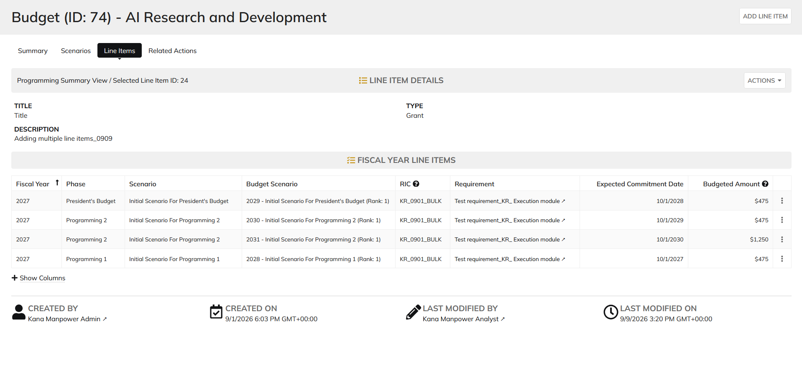
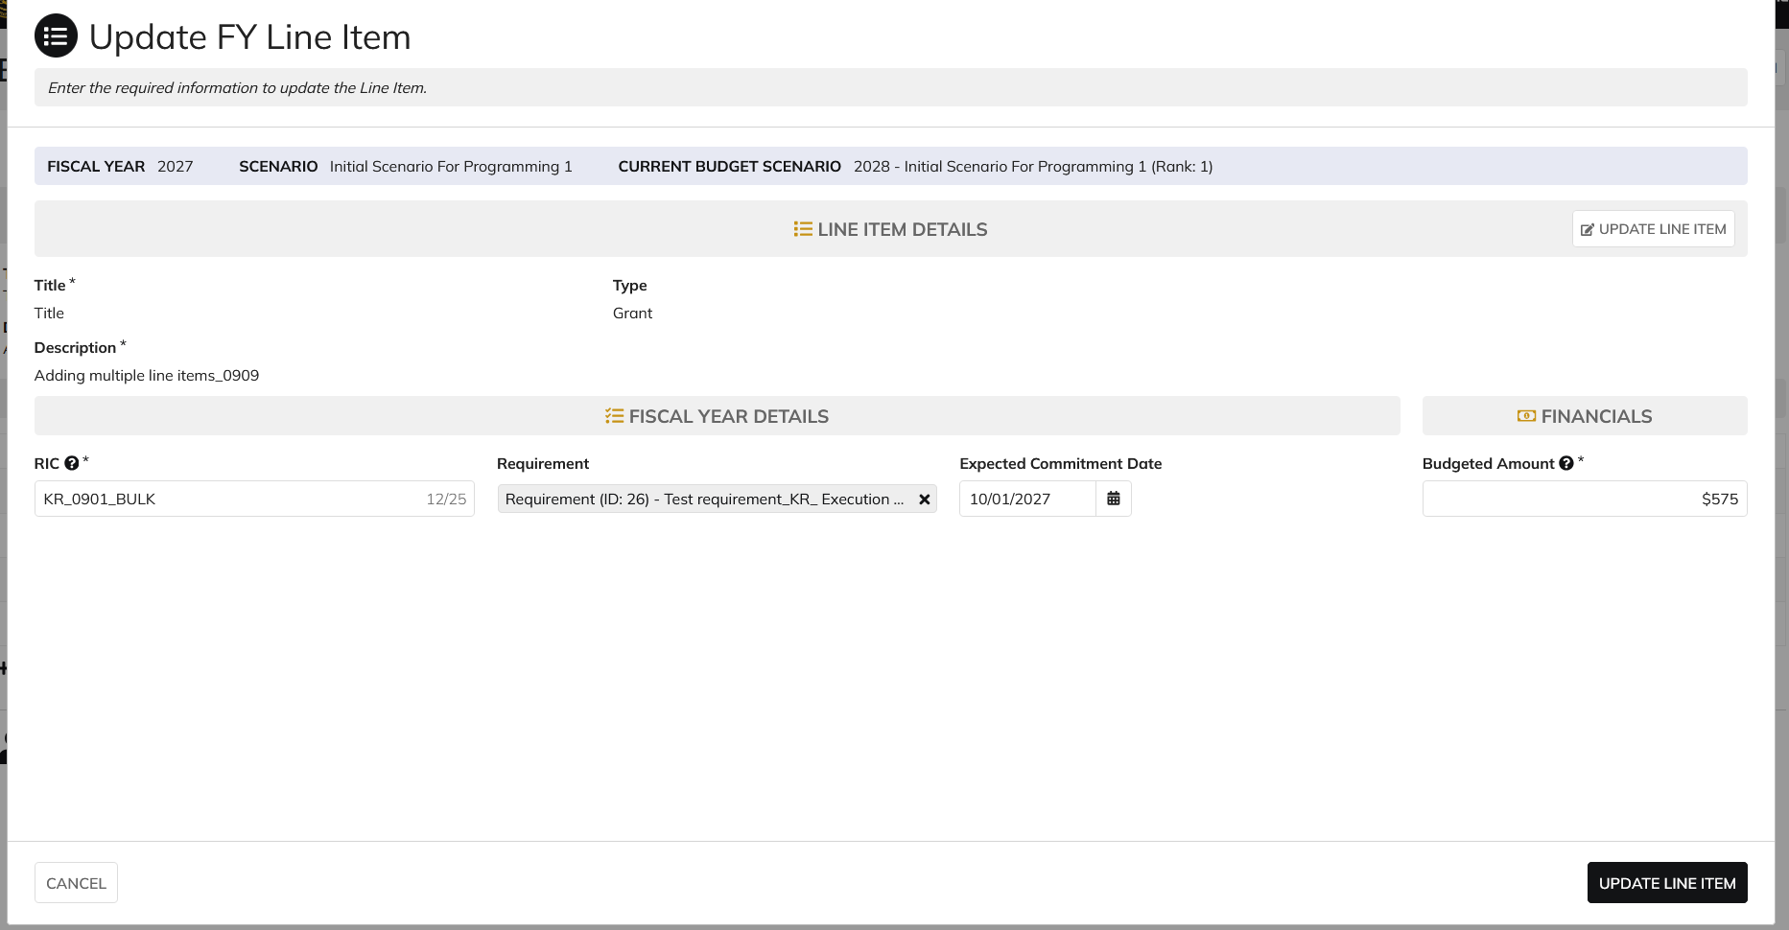
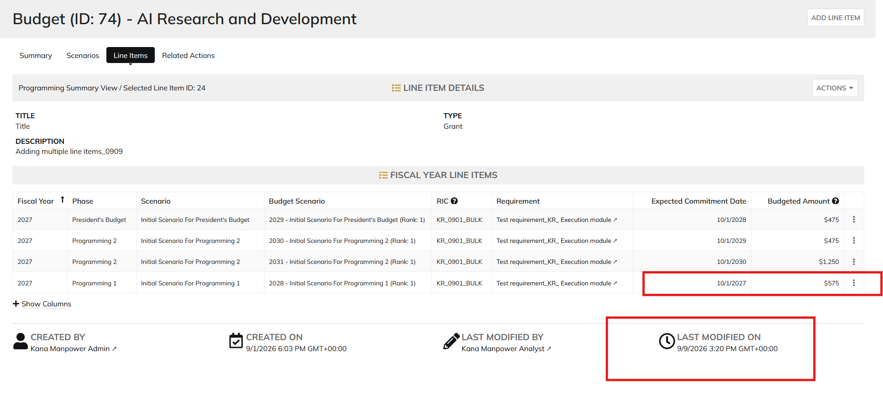
DIABPS Sprint 1.2 - DIABPS-66 TEST CASE SCENARIO |  | TESTER INFO
Test Case ID: | DIABPS_66#07 | updated By: | Kana Raghavan
Test Scenario: | A user with an appropriate role can update a planning item | updated On: | 2026-08-24
User Story: | update a Planning Line Item, Fiscal Year Specific Fields Part 1 (Planning Module) | Reviewed By: | Jordan Helman
Story Description: | As a Programming Admin, Manpower Admin, Resource Management Lead, Programming Lead, Manpower Lead, Programming Analyst, or Manpower Analyst, I can update a planning line item on a scenario and associate fiscal year specific fields with the line item. | Reviewed On:
Environment: | GIBS Test | Executed By: | Kana Raghavan
User Role(s): | Manpower Analyst for RMO | Executed On: | 2026-09-10
Pre-Conditions: | User able to login to Planning module successfully as Manpower Analyst who is assigned to specific Org
Acceptance Criteria | Acceptance Criteria: The user will be able to update a line item The updated line item will be for the fiscal year of the scenario that the line item is associated with The user will be able to complete the information for the line item (fields with an asterisk ( * ) indicate required fields): Resource Identifier Code* Text field, 25 character limit Budgeted Amount* Integer field Entered as thousands Formatted as currency Must be greater than $0 Tooltip: This amount is displayed in thousands Expected Commitment Date Date field Inputted date must correspond to a fiscal year that is greater than or equal to the fiscal year of the scenario that the line item is being associated with Requirement Picker field with a maximum selection of 1 requirement The options available for selection will be limited to requirements that are associated with the same organization that the budget this line item is being updated on is associated with The system will record the user who performed the action and the date and time it was performed. General Notes: Outyears Example FY 2026 = Current Year (execution) FY 2027 = Budget Year FY 2028 = Out Year 1 FY 2029 = Out Year 2 FY 2030 = Out Year 3 FY 2031 = Out Year 4 FY 2032 = Out Year 5

Step Number | Step Description | Input Data | Expected Results | Pass/Fail
STEP 1 | Log in as a user with Manpower Analyst credential. User should be assigned to a specific Org (ES/DS). https://ams-test.appiancloud.us/suite/ | Username: | User able to login successfully | Pass
STEP 2 | Click on GIBS Planning module on top right dropdown to launch Planning module | N/A | User able to click on dropdown and able to launch Planning module | Pass
STEP 3 | Click on Budget tab | N/A | User able to view all Budget IDs with grid details for user associated org | Pass
STEP 4 | Click on Budget ID and navigate to Scenarios Tab | N/A | User able to click on budget ID and navigate to scenarios tab | Pass
STEP 5 | Click on Budgeted amount for FY Planned year to open the items | N/A | User able to click on amount and page is displayed successfully | Pass
STEP 6 | Click on 3 dots next to the line items, to open Update FY line item window | N/A | User able to click on 3 dots and update FY line item window is opened | Pass
STEP 7 | Update FY fields Resource Identifier Code* Text field, 25 character limit Budgeted Amount* Integer field Entered as thousands Formatted as currency Must be greater than $0 Expected Commitment Date Date field Requirement | RIC Requirement Id Expected Commitment Date Budgeted amount | User able to update all FY Line items successfully | Pass
Scenario 2 | FY fields can be updated from Line Items tab |  |  | Pass

Evidences
 | Login as CIO Manpower Analyst

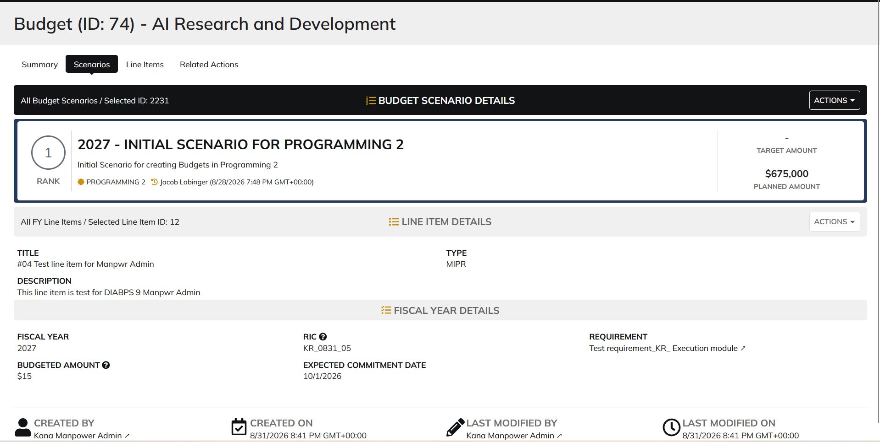

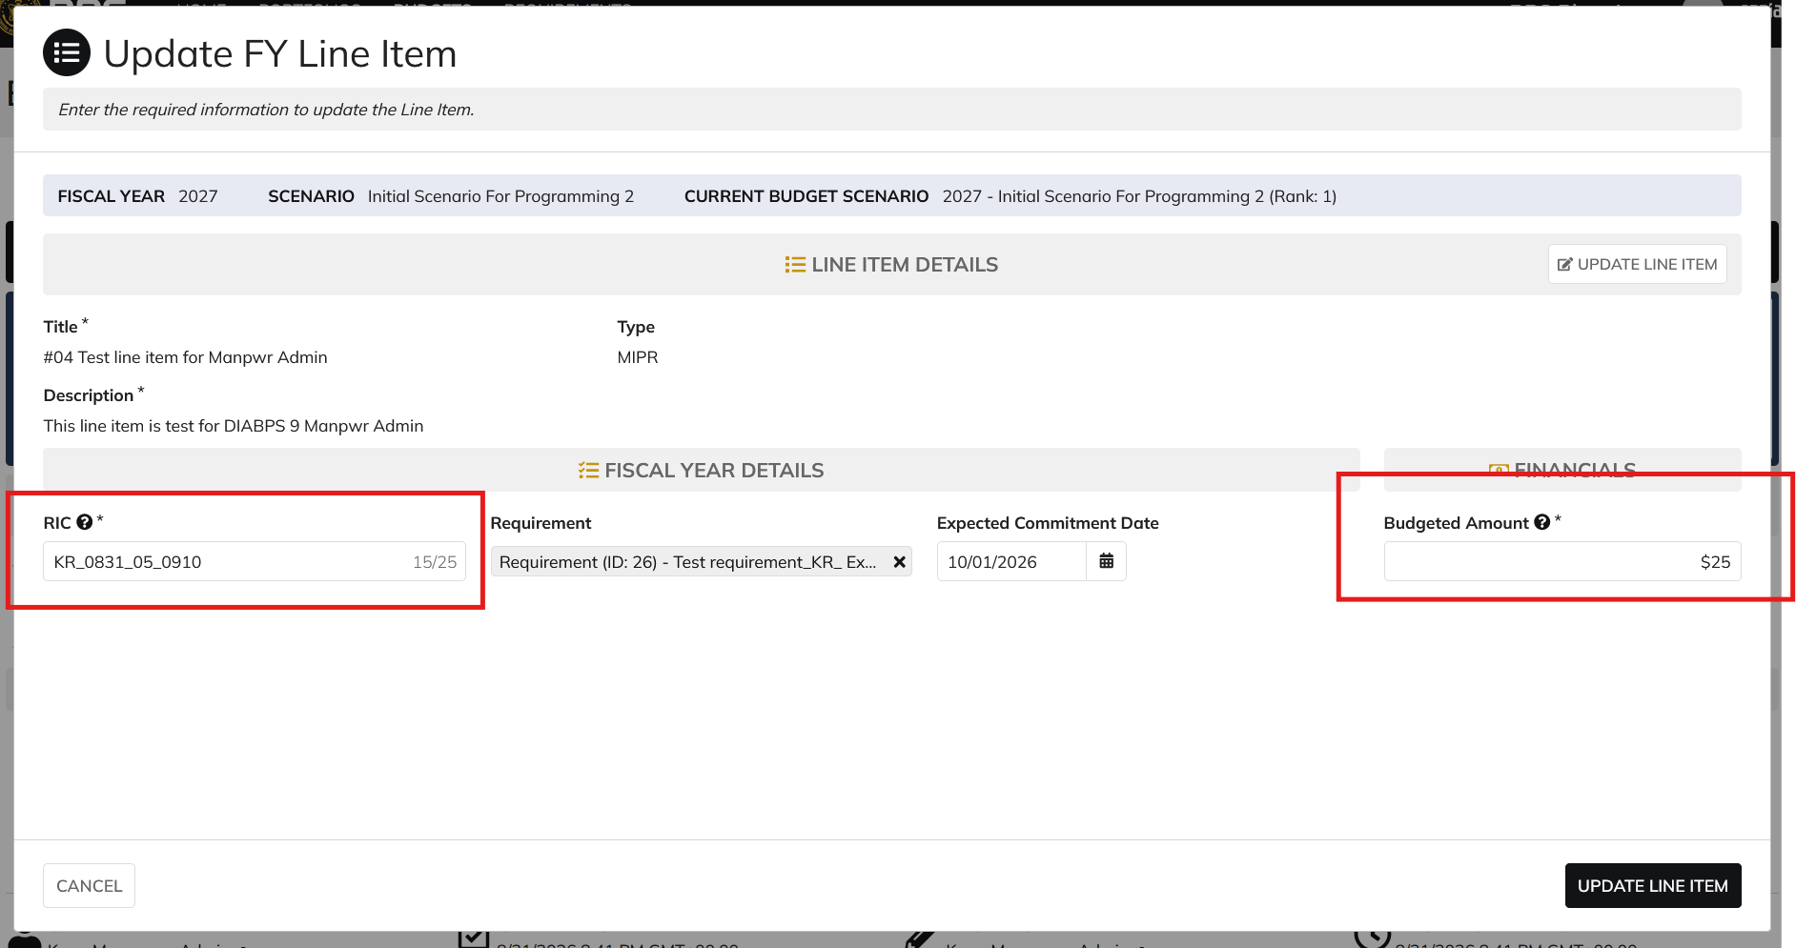

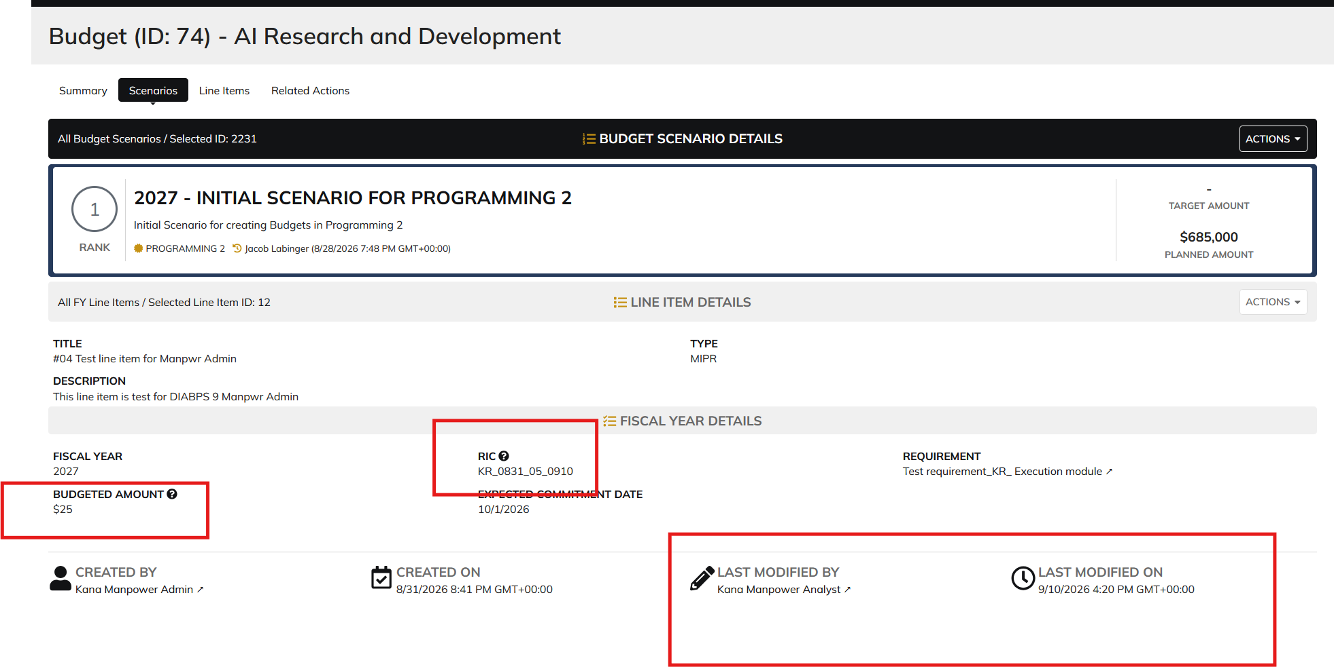

 | From Line Items Tab

